General Information
Screenshot | Field Name | Field Type | Conditions | Drop Down/ Checkbox Options | Default | Required? | Harco | Dealer Guard Open Lot | Schinnerer - Franchised Auto Dealer | Schinnerer - DOL Application | RPS Cyber Application | Great American - EPLI | Notes:
Producer Information
 | Producer | Text Box |  |  |  | x | Sheet! A-Gen: J8:K8 | Sheet! Application: F8:P8
 | Date | Date Field |  | MM/DD/YY |  | x
Applicant Information
 | Named Insured | Text Box |  |  |  | x | Sheet! A-Gen: C10:I10 | Sheet! Application: D2:Z2 | Sheet! Property: G24 | Sheet! Insured Information: E14 | Page 1 | Page 1 - first question on the application
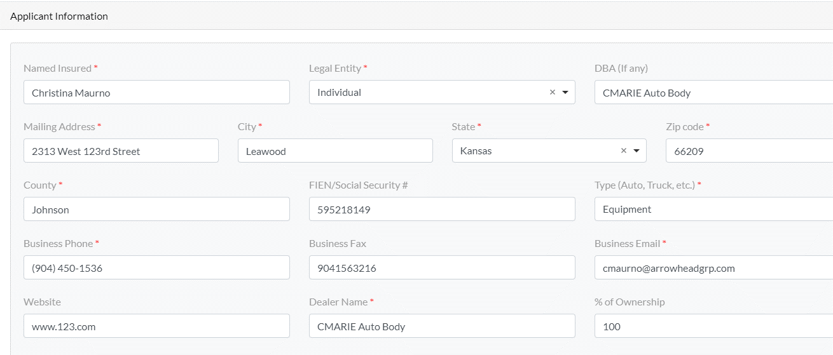
 | Legal Entity | Drop Down |  | Corporation LLC Individual Partnership |  | x | Sheet! A-Gen: I16:K16
 | DBA (if any) | Text Box |  |  |  | Optional |  | Sheet! Application B3:Z3 |  | Sheet! Insured Information: E16:Q16
 | Mailing Address | Text Box |  |  |  | x | Sheet! A-Gen: C12:E12 | Sheet! Application: C5:K5 | Sheet! Property: G26 | Sheet! Insured Information: E17:Q17 | Page 1 | Page 1 - second question on the application
 | City | Text Box |  |  |  | x | Sheet A!-Gen: F12:I12 | Sheet! Application: N5:T5 | Sheet! Property: G27 Notes: City, State and Zip are combined as 1 field in the Schinnerer App. The portal needs to map City, State and Zip into one field. | Sheet! Insured Information: E18:Q18 | Page 1 | Page 1 - third question on the application
 | State | Drop Down |  | <Insert all 50 states> |  | x | Sheet A!-Gen: J12 | Sheet! Application: W5:X5 | Sheet! Property: G27 | Sheet! Insured Information: E20:Q20 | Page 1 | Page 1 - third question on the application
 | Zip | Text Box |  |  |  | x | Sheet A!-Gen: K12 | Sheet! Application: Z5 | Sheet! Property: G27 | Sheet! Insured Information: E21:Q21 | Page 1 | Page 1 - third question on the application
 | County | Text Box |  |  |  | x |  |  |  | Sheet!Insured Information E19 Sheet! Locations F69:F168
 | FEIN/Soc Sec # | Text Box |  |  |  | Optional |  | Sheet! Application: Y4:Z4 |  | Sheet!Insured Information M22
 | Type (Auto, Truck, etc.) | Drop Down |  | Auto Truck Equipment Trailer RV Motorcycle Non-Franchised L&R only | Auto | x | Sheet!A-Gen F16:H16
 | Business Phone: | Text Box |  |  |  | x | Sheet A!-Gen: C14:E14 | Sheet! Application: C6:K6 |  | Sheet! Insured Information: E22
 | Business Fax: | Text Box |  |  |  |  |  | Sheet! Application: N6:S6 |  | Sheet! Insured Information G22:K22
 | Business Email: | Text Box |  |  |  | x | Sheet! Contacts: J7 | Sheet! Application: W7:Z7 |  | Sheet! Insured Information: P23:Q23
 | Website: | Text Box |  |  |  | Optional | Sheet! A-Gen: F14:K14 | Sheet! Application: W6:Z6 |  |  | Page 1 | Page 1
 | Dealer Name: | Text Box |  |  |  | x | Sheet! A-Gen: D22:G22 | Sheet! Application: D2:Z2
 | % of ownership | Text Box |  |  |  | Optional | Sheet! A-Gen: K21:K26
Insurance Contact
Note: Only one checkbox (Accounting, Loss Control, MVR & Policy Docs, and HR) can be selected per Insurance Contact. For example, if I select the HR checkbox for the first Insurance Contact, when I go to add a second Insurance Contact the HR checkbox will be disabled. | Insurance Contact | Text Box |  |  |  | Optional | First: Sheet! Contacts: C7:C10 Middle: Sheet! Contacts: D7:D10 Last: Sheet!Contacts:E7:E10 Suffix: Sheet! Contacts: F7:F10 | Sheet! Application: G7:S7 | Sheet!Property G28 Note: The Insurance Contact and Phone # will be combined into one field in the carrier app but listed out separately in the portal. | Sheet! Insured Information: D23:L23
 | Phone: | Text Box |  |  |  | Optional | Sheet! Contacts H7:H11 |  | Sheet!Property G28 | Sheet! Insured Information: E22 | Page 1
 | Email: | Text Box |  |  |  | Optional | Sheet! Contacts: J7:J11 | Sheet! Application: W7:Z7 |  | Sheet! Insured Information: P23:Q23 | Page 1
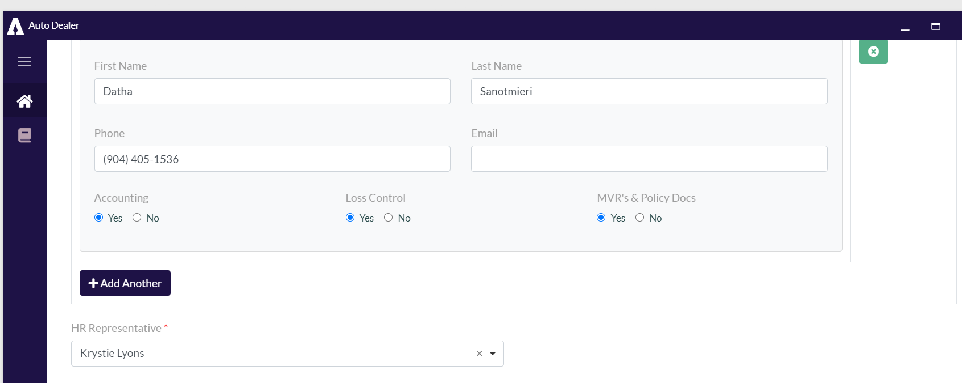
 | Accounting: | Radio |  | Yes No |  | Optional | Sheet! Contacts L7:L11
 | Loss Control | Radio |  | Yes No |  | Optional | Sheet! Contacts M7:M11
 | MVR's & Policy Docs | Radio |  | Yes No |  | Optional | Sheet! Contacts M7:M11
 | HR | Drop Down |  | Yes No |  | Optional |  |  |  |  |  | Page 1 Will map to the HR Representative Section at the top of the application.
Policy Information
 | Effective Date: | Date Field |  | MM/DD/YY |  |  | Sheet! A-Gen: J10 | Sheet! Application: O10:R10 | Sheet! Property : G29 | Sheet! Insured Information E15
 | Need by Date: | Date Field |  | MM/DD/YY |  |  | Sheet! A-Gen: K10 | Sheet! Application: D10:G10
 | Package Target Premium | Text Box |  |  |  |  | Sheet!Supporting Info H15
 | DOL Target Premium | Text Box |  |  |  |  |  | Sheet!Application:: N12:V12
New Business Checklist
 | Narrative | Checkbox
 | Dealer SOV | Checkbox
 | Employee/Non-Employee List | Checkbox
 | Loss Runs (5 Years) | Checkbox
 | Financials | Checkbox
 | Other: Dec Pages; Filings | Checkbox
General Questions
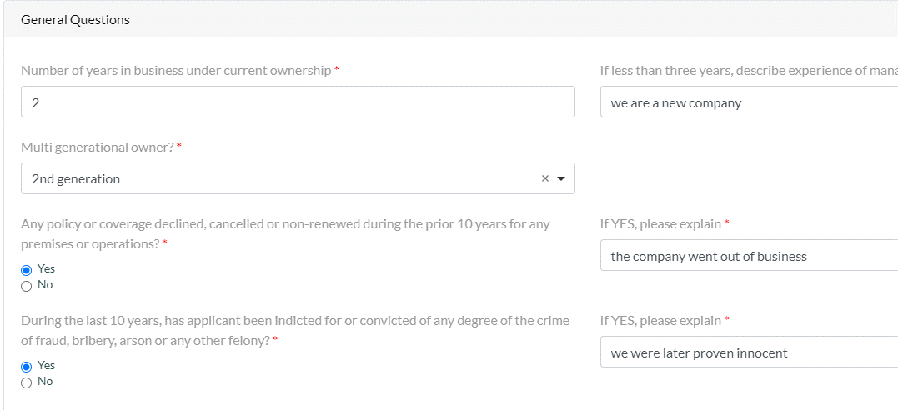
 | Number of years in business under current ownership: | Text Box |  |  |  | x | Sheet!UW-Q's E6-G6 | Sheet!Application J4:T4 |  |  | Page 1 - Section 1 Notes: RPS Cyber asks for the Year Established. Can the system calculate the Year Established by subtracting the number of years in business from todays date? | Page 1 - Years in Operation:
 | If less than three years, describe experience of management: | Text Box |  |  |  | x | Sheet!UW-Q's E19-G19
 | Multi generational owner? | Drop Down |  | Yes No | Please Select | x
 | Please Select | Drop Down |  | Please Select 2nd generation 3rd+ generation |  | Optional
 | Any policy or coverage declined, cancelled or non-renewed during the prior 10 years for any premises or operations? | Checkbox |  | Yes No |  | x | Sheet!UW-Q's E7-G7 | Sheet!Application B49 |  | Sheet!Underwriting Survey D14
 | If YES, please explain: | Text Box |  |  |  | x | Sheet!UW-Q's E19-G19 |  |  | Sheet!Underwriting Survey I14
 | During the last 10 years, has applicant been indicted for or convicted of any degree of the crime of fraud, bribery, arson or any other felony? | Checkbox |  | Yes No |  | x
 | If YES, please explain: | Text Box |  |  |  | x | Sheet!UW-Q's E19-G19
Loss Review/Accident Investigation
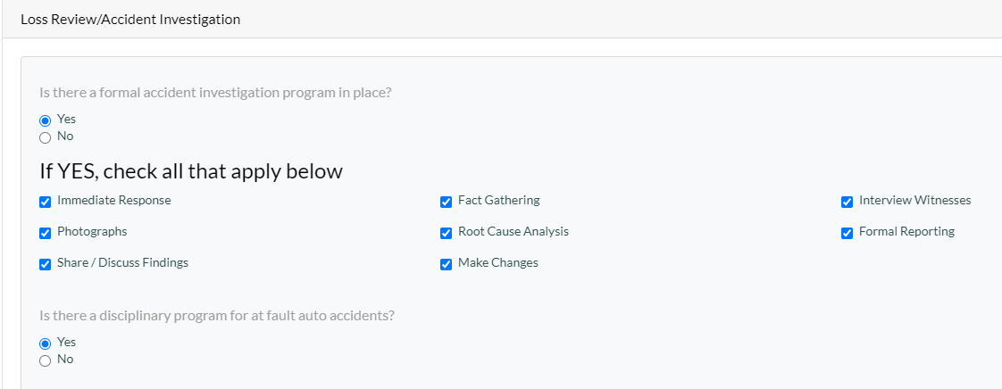
 | Is there a formal accident investigation program in place? If YES, check all that apply below | Checkbox |  | Yes No | Blank |  |  |  | Sheet!UW-Q's E30-G30 |  | Sheet! Garage Supplemental C71
 | Immediate Response | Checkbox |  |  | Blank |  |  |  |  |  | Sheet! Garage Supplemental B74:B75
 | Fact Gathering | Checkbox |  |  | Blank |  |  |  |  |  | Sheet! Garage Supplemental B74:B75
 | Interview Witnesses | Checkbox |  |  | Blank |  |  |  |  |  | Sheet! Garage Supplemental B74:B75
 | Photographs | Checkbox |  |  | Blank |  |  |  |  |  | Sheet! Garage Supplemental B74:B75
 | Root Cause Analysis | Checkbox |  |  | Blank |  |  |  |  |  | Sheet! Garage Supplemental B74:B75
 | Formal Reporting | Checkbox |  |  | Blank |  |  |  |  |  | Sheet! Garage Supplemental B74:B75
 | Share / Discuss Findings | Checkbox |  |  | Blank |  |  |  |  |  | Sheet! Garage Supplemental B74:B75
 | Make Changes | Checkbox |  |  | Blank |  |  |  |  |  | Sheet! Garage Supplemental B74:B75
 | Is there a disciplinary program for at fault auto accidents? | Checkbox |  |  | Blank |  |  |  |  |  | Sheet! Garage Supplemental C77
Named Insured Schedule
 | Name | Text Box |  |  |  | Optional | Note: The primary OEM selected for Location 1 will map to cell E18 on the A-Gen sheet on the harco app. | Sheet!Additional Named Insured B2 | Page 3 - Additional Named Insureds Section
 | Description of Operations | Text Box |  |  |  | Optional | Sheet!A-Gen E19-K19
 | Applicable Locations | Text Box |  |  |  | Optional | Sheet!A-Gen E19-K19

Location Details
Screenshot | Field Name | Field Type | Conditions | Drop Down/ Checkbox Options | Default | Required? | Harco | Dealer Guard Open Lot | Schinnerer - Franchised Auto Dealer | Schinnerer - DOL Application | RPS Cyber Application | Great American - EPLI | Notes:
Location Details
 | Is the Location Address the sane as the Mailing Address? | Checkbox | If the producer selects this checkbox the mailing address will auto populate to Location 1
Producer will add schedule of covered locations and buildings. The location info will flow through to the COPE and SOV sections. | Location # | Text Box |  |  |  | x | Sheet!C-Loc&AIs G11:G16 |  | Sheet!Property A40 Sheet!Garage Liability A27 | Sheet!Locations B69
 | Location Address | Text Box |  |  |  | x | Sheet!C-Loc&AIs I11:I16 |  | Sheet!Property C40 Sheet!Garage Liability B27 | Sheet!Locations D69
 | City | Text Box |  |  |  | x | Sheet!C-Loc&AIs K11:K16 |  | Sheet!Property D40 | Sheet!Locations E69
 | Country | Drop Down |  |  |  | x
 | State | Drop Down |  |  |  | x | Sheet!C-Loc&AIs L11:L16 |  | Sheet!Property E40 | Sheet!Locations G69
 | Zip Code | Text Box |  |  |  | x | Sheet!C-Loc&AIs M11:M16 |  | Sheet!Property F40 | Sheet!Locations H69
Building Details
 | Location # | Text Box
 | Building # | Text Box
 | Occupancy Type | Drop Down | Occupancy Type will display for each building. | New Car Showroom and Sales Auto Sales and Service Vehicle Storage/ Parking Garage Body Shop Service / Repair Detail Shop Car Wash Delivery Prep Office Used Car Sales Auto Storage Lot Vacant Land Vacant Building Bldg Leased to Others |  | x | Sheet!C-Loc&AIs V11:V16 |  | Sheet!Property G40 & Sheet!Property H40 Note: If "Vacant Building" is selected the system needs to select "Vacant" in Sheet!Property H40. If any other Occupancy Type is selected, with the exception of "Vacant Land" the system will automatically select "Occupied" in Sheet!Property H40 | Sheet!Locations C69 Sheet!Valuation Survey C5 Sheet!Underwriting Survey D19 SEE BELOW PRE-CONDITIONS: 1. If the Occupancy Type is: -New Car Showroom & Sales -Auto Sales & Service The system will select "Dealership" to Sheet!:Locations C69 and Sheet!Valuation Survey C5. 2. If the Occupancy Type is: -Vehicle Storage/Parking Garage -Auto Storage Lot The system will select "Storage" Sheet!:Locations C69 and Sheet!Valuation Survey C5. 3. If the Occupancy Type is Body Shop the system will map "Yes" to Sheet!Underwriting Survey D19 Notes: Program this to show New Car Showroom or Auto Sales if any building occupancy at a location is one of these. If one of these is not present at a location, they should show the building #1 occupancy. It would be highly unlikely to have both a building a storage lot at the same location.
 | Primary OEM | Drop Down | 1. Occupancy Type must be either Auto Sales and Service or New Car Showroom and Sales in order for this field to trigger. For Primary OEM the Producer will only be able to select OEM | Acura Alfa Romeo Audi Bentley BMW Chevrolet Chrysler Dodge Ferrari Fiat Ford Honda Hyundai Infiniti Jaguar Kia Land Rover Lexus Lincoln Mazda Mercedes-Benz Nissan Porsche Subaru Toyota Volkswagen Volvo |  |  | Sheet!C-Loc&Ais W11:W16 Sheet!A-Gen E18 = (Main) Note: The primary OEM selected for Location 1 will map to cell E18 on the A-Gen sheet on the harco app. |  |  | Sheet!Underwriting Survey D18 |  |  | Each location will have a primary OEM. Location one
 | Secondary OEM | Checkbox | Occupancy Type must be either Auto Sales and Service or New Car Showroom and Sales in order for this field to trigger. Producer can select multiple OEMs If the producer selects an OEM type that was selected in the Primary OEM drop down the system should trigger an error message. The Primary OEM selected should never be selected in the Secondary OEM question. | None Acura Alfa Romeo Audi Bentley BMW Chevrolet Chrysler Dodge Ferrari Fiat Ford Honda Hyundai Infiniti Jaguar Kia Land Rover Lexus Lincoln Mazda Mercedes-Benz Nissan Porsche Subaru Toyota Volkswagen Volvo |  |  | Sheet!C-Loc&AIs W11:W16 Note: The secondary OEMs will map to the Franchise/Occupancy Comments section for each building. Sheet!A-Gen F18 (Secondary) sheet!A-Gen I18 (Other) Note: the first 2 selected Secondary OEMs will map to the Secondary and Other drop down listed in the Harco App. Sheet!A-Gen F18 and Sheet!A-Gen I8. |  |  | Sheet!Underwriting Survey D18
Add COPE Information
 | Location # | Hard Coded Text Box
 | Building # | Hard Coded Text Box
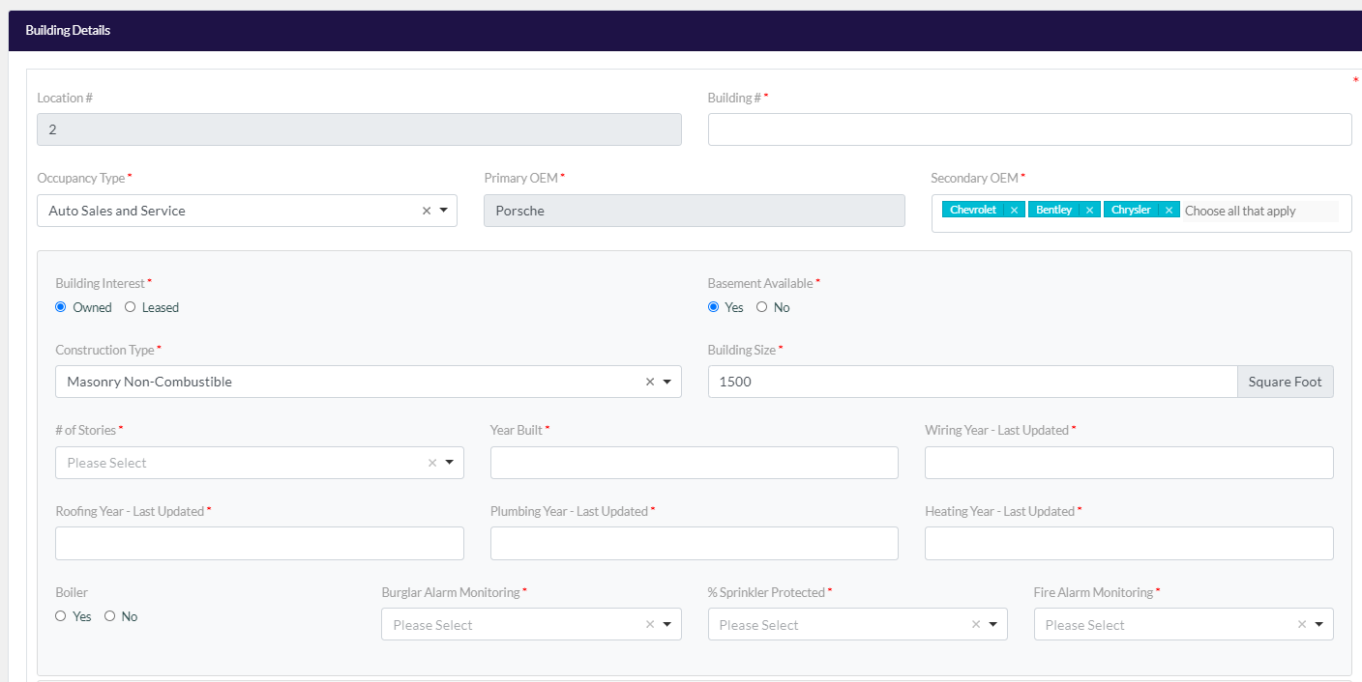 | Occupancy Type | Drop Down |  | New Car Showroom and Sales Auto Sales and Service Vehicle Storage/ Parking Garage Body Shop Service / Repair Detail Shop Car Wash Delivery Prep Office Used Car Sales Auto Storage Lot Vacant Land Vacant Building Bldg Leased to Others | Please Select | x | Sheet!C-Loc&AIs V11:V16 |  | Sheet!Property G40 & Sheet!Property H40 Note: If "Vacant Building" is selected the system needs to select "Vacant" in Sheet!Property H40. If any other Occupancy Type is selected, with the exception of "Vacant Land" the system will automatically select "Occupied" in Sheet!Property H40 | Sheet!Locations C69 Sheet!Valuation Survey C5 Sheet!Underwriting Survey D19 SEE BELOW PRE-CONDITIONS: 1. If the Occupancy Type is: -New Car Showroom & Sales -Auto Sales & Service The system will select "Dealership" to Sheet!:Locations C69 and Sheet!Valuation Survey C5. 2. If the Occupancy Type is: -Vehicle Storage/Parking Garage -Auto Storage Lot The system will select "Storage" Sheet!:Locations C69 and Sheet!Valuation Survey C5. 3. If the Occupancy Type is Body Shop the system will map "Yes" to Sheet!Underwriting Survey D19
 | Building Interest - Owner or Tenant | Drop Down | If the Occupancy Type selected is one of the following: -Vacant Land -Auto Storage Lot this question will not display | Please Select Owned Leased | Please Select Note: If the Occupancy Type selected is "Building Leased to Others" this question will default to "Leased" | x | Sheet!C-Loc&AIs O11:O16 |  | Sheet!Property L40
 | Construction Type | Drop Down | If the Occupancy Type selected is one of the following: -Vacant Land -Auto Storage Lot this question will not display | Please Select Frame Joisted Masonry Non-Combustible Masonry Non-Combustible Modified Fire Resistive Fire Resistive Heavy Timber Joisted Masonry Superior Non-Combustible Superior Masonry Non-Combustible | Please Select | x | Sheet!C-Loc&AIs S11:S16 |  | Sheet!Property J40 Notes: The Schinnerer Carrier App use different construction codes for each of the construction types. 1. Frame = ISO 1 Frame 2. Joisted Masonry = ISO 2 Masonry/Joisted Masonry 3. Non Combustible = ISO 3 Pre-Engineered Metal/ Non-Combustible 4. Masonry Non-Combustible = ISO 4 Steel Frame/Masonry Non-Combustible 5. Modified Fire Resistive = ISO 5 - Protected Steel Frame/Modified Fire Resistive 6. Fire Resistive = ISO 6 - Reinforced Concrete Frame/Fire Resistive
 | # of Stories | Drop Down | If the Occupancy Type selected is one of the following: -Vacant Land -Auto Storage Lot this question will not display | Please Select 1 2 3 | Please Select | x |  |  | Sheet!Property V40
 | Basement? | Drop Down | If the Occupancy Type selected is one of the following: -Vacant Land -Auto Storage Lot this question will not display | Please Select Yes No | Please Select | x |  |  | Sheet!Property W40
 | Year Built | Text Box | If the Occupancy Type selected is one of the following: -Vacant Land -Auto Storage Lot this question will not display |  |  | x | Sheet!C-Loc&AIs P11:P16 |  | Sheet!Property M40
 | Building Square Footage | Text Box | If the Occupancy Type selected is one of the following: -Vacant Land -Auto Storage Lot this question will not display |  |  | x | Sheet!C-Loc&AIs U11:U16 |  | Sheet!Property AG40
 | % Sprinkler Protected | Drop Down | If the Occupancy Type selected is one of the following: -Vacant Land -Auto Storage Lot this question will not display | Please Select None 25% 50% 75% 100% | Please Select | x | Sheet!C-Loc&AIs T11:T16 Notes: If the producer selects 25% the system will select the option Partial (2-49%) If the producer selects 50% or 75% the system will select the option Full (50-100%) If the producer selects "None" the system will select the None (0%) option |  | Sheet! Property Z40
 | Fire Alarm Monitoring | Drop Down | If the Occupancy Type selected is one of the following: -Vacant Land -Auto Storage Lot this question will not display | Please Select None Local Central Both | Please Select | x |  |  | Sheet!Property AB40
 | Burglar Alarm Monitoring | Drop Down | If the Occupancy Type selected is one of the following: -Vacant Land -Auto Storage Lot this question will not display | Please Select None Local Central Both | Please Select | x |  |  | Sheet!Property AC40
 | Wiring Year - Last Updated | Text Box | If the Occupancy Type selected is one of the following: -Vacant Land -Auto Storage Lot this question will not display |  |  | x |  |  | Sheet!Property P40
 | Roofing Year - Last Updated | Text Box | If the Occupancy Type selected is one of the following: -Vacant Land -Auto Storage Lot this question will not display |  |  | x | Sheet!C-Loc&AIs R11:R16 |  | Sheet!Property Q40
 | Plumbing Year - Last Updated | Text Box | If the Occupancy Type selected is one of the following: -Vacant Land -Auto Storage Lot this question will not display |  |  | x |  |  | Sheet!Property R40
 | Heating Year - Last Updated | Text Box | If the Occupancy Type selected is one of the following: -Vacant Land -Auto Storage Lot this question will not display |  |  | x |  |  | Sheet!Property S40
 | Boiler? | Checkbox |  | Yes No |  | x |  |  | Sheet!Property Y40
Property Limits
 | Building Limit | Text Box | This question will display at the Building Level. |  |  | x | Sheet!E-Prop F20-F25 |  | Sheet!Property AD40
 | Business Personal Property Limit | Text Box | This question will display at the Building Level. |  |  | x | Sheet!E-Prop I20-I25 |  | Sheet!Property AL40
 | Business Income Limit | Text Box | This question will display at the Building Level. |  |  | x | Sheet!E-Prop K20-K25 |  | Sheet!Property AR40
 | Valuation Method | Drop Down | This question will display at the Building Level. | Please Select Replacement Cost Reconstruction Cost Actual Cash Value | Replacement Cost | x | Sheet!E-Prop G9 Note: Even if the producer selects Replacement Cost the system will still map over Reconsutrction Cost to the carrier application. If the location is in FL or CA the system will map over Replacement Cost. |  | Sheet!Property AJ40
 | Blanket Coverage? | Checkbox | If Blanket Coverage is selected the system will trigger Blanket Coverage questions for Building, BPP & Business Income. This question will display at the Building Level. | Yes No |  | x
 | Blanket Coverage Building | Checkbox | This question will display at the Building Level. Question will only be enabled if Blanket Coverage = Yes | Yes No |  | Conditional
 | Blanket Coverage BPP | Checkbox | This question will display at the Building Level. Question will only be enabled if Blanket Coverage = Yes | Yes No |  | Conditional | Sheet!E-Prop L20:L25
 | Blanket Coverage Business Income | Checkbox | This question will display at the Building Level. Question will only be enabled if Blanket Coverage = Yes | Yes No |  | Conditional | Sheet!E-Prop M20:M25
 | Wind Deductible: | Checkbox | This question will display at the Building Level. | None 1% 2% 5% 7.50% 10% Exclude Flat $:___ |  | x | Sheet!E-Prop F33 Note: Map the Wind/Hail Ded selected to the Additional comments section. It should read: Wind Hail Deductible <insert amount>
 | Flat $_____ | Text Box | If Wind Deductible =- Flat$_______ |  |  | Conditional | Sheet!E-Prop F33 Note: Map the Wind/Hail Ded selected to the Additional comments section. It should read: Wind Hail Deductible <insert amount>
 | Earthquake Coverage: | Checkbox | This question will display at the Building Level. | Yes No |  | x | Sheet!E-Prop G10 Sheet!E-Prop I10 Sheet!E-Prop M10:N10 |  |  |  |  |  | Harco offers EQ for Building and BPP

 | Earthquake Deductibles: | Checkbox | This question will display at the Building Level. | None 10% 15% 20% 25% 30% 35% 40% |  | x | Sheet!E-Prop J10 Sheet!E-Prop H10
 | YTD Total Net Sales - New & Used Cars | Text Box | This question will display at the Building Level. |  |  | Optional
 | YTD Total Net Sales Other Than Car Sales | Text Box | This question will display at the Building Level. |  |  | x
 | YTD Total Dealership Gross Profit / Income - Car Sales | Text Box | This question will display at the Building Level. |  |  | x
 | YTD Total Dealership Gross Profit / Income - Other Than Car Sales | Text Box | This question will display at the Building Level. |  |  | x
 | Number of Months Covered on Financial Statement | Text Box | This question will display at the Building Level. |  |  | x
 | Average Monthly Gross Profit - Car Sales | Auto Fill | This question will display at the Building Level. | Insert Formula/Calculation: YTD Total Dealership Gross Profit / Income - Car Sales divided by Number of Months Covered on Financial Statement |  | x
ke | Average Monthly Gross Profit -Other Than Car Sales | Auto Fill | This question will display at the Building Level. | Insert Formula/Calculation: YTD Total Dealership Gross Profit / Income - Other Than Car Sales divided by Number of Months Covered on Financial Statement |  | x
 | Coinsurance Form | Checkbox | This question will display at the Building Level. | Yes No |  | x
 | Coinsurance Amount | Drop Down | Coinsurance Amount will only display if Coinsurance Form = YES | Please Select, 5%, 10%, 15%, 20%, 25%, 30%, 40%, 50%, 60%, 70%, 80%, 90%, 100%, 125%, 150% | Drop Down | x | Sheet!E-Prop M9:N9 Note: Harco only has a 80% ,90% and a 100% option. |  | Sheet!Property AS40
 | Agreed Amount | Checkbox | This question will display at the Building Level. | Yes No |  | x |  |  | Sheet!Property A40 Note: If Agreed Amount is selected the system will map to Sheet!Property AS40 Note: If coinsurance and agreed amount are both selected. The portal will map over Agreed Amount on the Carrier application.
 | Bi Monthly Limitation | Checkbox | This question will display at the Building Level. | Please Select 1/3 mo 1/4 mo 1/6 mo | Please Select | Optional | Sheet!E-Prop M9:N9
 | Minimum Recommended Business Income Limit | Auto Fill | This question will display at the Building Level. | Insert Formula/Calculation: Average Monthly Gross Profit - Car Sales + Average Monthly Gross Profit - Other than Car Sales X 12 Months X Coinsurance Amount selected (5%, 10%, 15%, 20%, 25%, 30%, 40%, 50%, 60%, 70%, 80%, 90%, 100%, 100%, 125%, 150%) |  | Conditional Note: Pre-Condition1: The field will only display and calculate if a BI Coinsurance Amount is selected
 | Minimum Recommended Business income Limit - Monthly Limitation | Auto Fill | This question will display at the Building Level. | Insert Formula/Calculation: Average Monthly Gross Profit - Car Sales + Average Monthly Gross Profit - Other than Car Sales X BI Monthly Limitation Amount (3, 4 or 6) If the user selects 1/3 BI Monthly Limitation month the formula would X 3 If the user selects 1/4 for a BI Monthly Limitation the system will multiply by 4 If the user selects 1/6 the system will multiply by 6. |  | Conditional Note: Pre-Condition1: The field will only display and calculateif a BI Monthly Limitation is selected
 | BI Waiting Period: | Checkbox | This question will display at the Building Level. | None 24 hours | 24 hours | x |  |  | Sheet!Property AU40
 | Utility Services Time Element | Text Box | The Utility Services question will only display if there is a Business Income Limit provided. If there is no Business Income limit provided this question should not display. |  |  | Optional | Sheet!F G18:H23 |  | Sheet!Property BA 40 Note: If a producer adds a Utility Services Limit we need to map it to the comments section of the Schinnerer App. See Schinnerer Franchised Auto Dealer Review workbook for an example. |  |  |  | Need to add logic to check to see if Business Income Coverage is selected before allowing the producer to select Utility Services Coverage. DW Correct
 | Business Electronic Equipment Hardware | Text Box | This question will display at the Building Level. |  |  |  | Sheet!F O31-O36 |  | Sheet!Property AQ40 Notes: This limit needs to map to the carrier app and the system will add the other applicable limits that are included in the calculation. Business Electronic Limit + Employee Tools Limit + Light Poles Limit + Valuable Papers Limit + Accounts Receivable Limit + Awnings & Canopies Limit + Billboards & Signs Attched to Buildings Limit = Sheet!PropertyAQ40
 | Ordinance/Law Coverage | Text Box | This question will display at the Building Level. |  |  |  | Sheet!F G20:H25 |  | Sheet!Properry BA40 Note: Ordinance/Law: <Limit>
 | Utilities Options: | Checkbox | This question will display at the Building Level. | Water Supply Communication Supply Communication Lines Power Supply Overhead Power Lines |  | x | Sheet!F J20:N20 |  | Sheet!Properry BA40 Note: Utility Services <Limit>
 | Fences | Text Box | This question will display at the Building Level. |  |  |  | Sheet!F9-F10 (Fences & Arbors Wood)
 | Sign(s) <10k attached to the bldg | Text Box | This question will display at the Building Level. |  |  |  | Sheet!E-Prop F20:F25 Note: ASigns < 10K will be added to the building limit for each applicable building. For example: If the building limit is $100,000 and Signs < 10K is $5,000 the system will add $5,000 to the $100,000 Building Limit = $105,000 |  | Sheet!Property AF40 Note: Need to add Signs <10k and Signs>10k to the building limit in the Schinnerer app.
 | Sign(s) > 10k attached to the bldg | Text Box | This question will display at the Building Level. |  |  |  | Sheet!F F20:F25 Note: Signs > 10k will map to Sheet!F J7:J13 and select the option "Billboards & Signs - Other" in column F9:F13 for Type and Construction.
Inland Marine Limits
 | Employee Tools | Text Box |  |  |  |  | Sheet!G-IM F14-F19 |  | Sheet!Property AQ40 Notes: This limit needs to map to the carrier app and the system will add the other applicable limits that are included in the calculation. Business Electronic Limit + Employee Tools Limit + Light Poles Limit + Valuable Papers Limit + Accounts Receivable Limit + Awnings & Canopies Limit + Billboards & Signs Attched to Buildings Limit = Sheet!PropertyAQ40
 | Signs - not attached to the bldg | Text Box |  |  |  |  | Sheet!G-IM J30:J31 |  | Sheet!Property AE40
 | Lightpoles | Text Box |  |  |  |  | Sheet!F9-F10 Notes: The system will select Street Lights Metal in Column F9 |  | Sheet!Property AQ40 Notes: This limit needs to map to the carrier app and the system will add the other applicable limits that are included in the calculation. Business Electronic Limit + Employee Tools Limit + Light Poles Limit + Valuable Papers Limit + Accounts Receivable Limit + Awnings & Canopies Limit + Billboards & Signs Attched to Buildings Limit = Sheet!PropertyAQ40
 | Valulable Paers | Text Box |  |  |  |  | Sheet!G-IM K14-K19 |  | Sheet!Property AQ40 Notes: This limit needs to map to the carrier app and the system will add the other applicable limits that are included in the calculation. Business Electronic Limit + Employee Tools Limit + Light Poles Limit + Valuable Papers Limit + Accounts Receivable Limit + Awnings & Canopies Limit + Billboards & Signs Attched to Buildings Limit = Sheet!PropertyAQ40
 | Accounts Receivable | Text Box |  |  |  |  | Sheet!G-IM I14-I19 |  | Sheet!Property AQ40 Notes: This limit needs to map to the carrier app and the system will add the other applicable limits that are included in the calculation. Business Electronic Limit + Employee Tools Limit + Light Poles Limit + Valuable Papers Limit + Accounts Receivable Limit + Awnings & Canopies Limit + Billboards & Signs Attched to Buildings Limit = Sheet!PropertyAQ40
 | Awaningss & Canopies | Text Box |  |  |  |  | Sheet!F9-F10 |  | Sheet!Property AQ40 Notes: This limit needs to map to the carrier app and the system will add the other applicable limits that are included in the calculation. Business Electronic Limit + Employee Tools Limit + Light Poles Limit + Valuable Papers Limit + Accounts Receivable Limit + Awnings & Canopies Limit + Billboards & Signs Attched to Buildings Limit = Sheet!PropertyAQ40
Garage Liability Coverage Detail - Garagekeeper & Customer Goods Limit
Note: Garagekeepers is a location level coverage. When this coverage is selected, the system will only map the limit selected for each applicable location. | Garagekeepers Limit (per location) | Text Box | Question needs to display at the location level. |  |  | Optional | Sheet!J F37:F42 |  | Sheet! Garage Keepers (printable) C31
 | Customer Goods Limit (per Location) | Text Box | Question needs to display at the location level. |  |  | Optional | Sheet!J P37:P42
 | # of Dealer Plates | Text Box | Question needs to display at the location level. |  |  | Optional | Sheet!J L21:L26
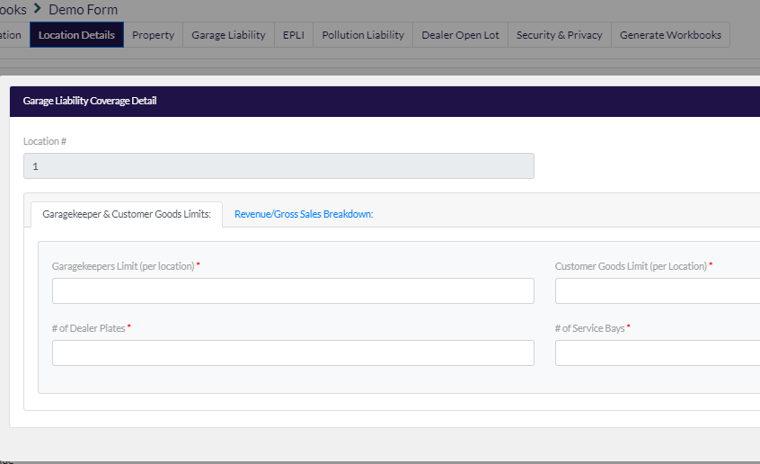 | # of Service Bays | Text Box | Question needs to display at the location level. |  |  | Optional |  |  | Sheet! Garage Keepers (printable) D31
Garage Liability Coverage Detail - Revenue/Gross Sales Breakdown
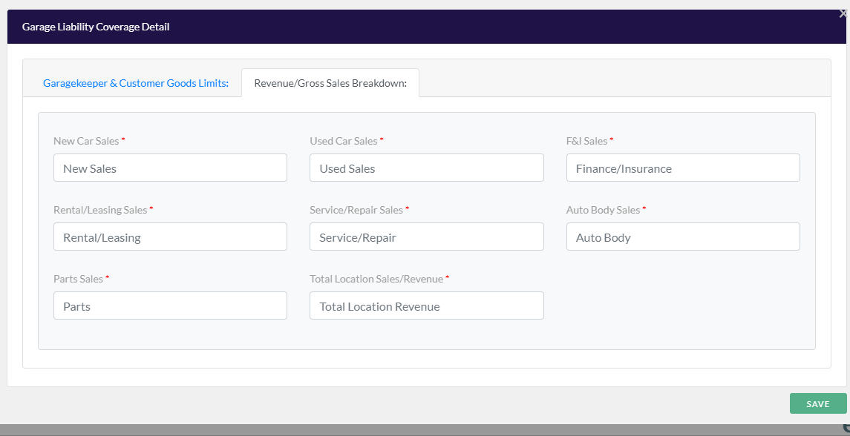
 | New Car Cales | Text Box | Question needs to display at the building level. |  |  | x | Sheet!Q-Umb E29:E29
 | Used Car Sales | Text Box | Question needs to display at the building level. |  |  | x | Sheet!Q-Umb I29:J29
 | F & I Sales | Text Box | Question needs to display at the building level. |  |  | x | Sheet!Q-Umb M31:N31 Note: The label Finance/Insurance will map to Sheet!Q-Umb E31
 | Rental/Leasing Sales | Text Box | Question needs to display at the building level. |  |  | x | Sheet!N-L&R E12:H13 Note: The label Auto Body will map to Sheet!Q-Umb E31
 | Service/Repair Sales | Text Box | Question needs to display at the building level. |  |  | x | Sheet!Q-Umb E30:F30
 | Auto Body Sales | Text Box | Question needs to display at the building level. |  |  | x | Sheet!Q-Umb M32:N32
 | Parts Sales | Text Box | Question needs to display at the building level. |  |  | x | Sheet!Q-Umb I30:J30
 | Total Location Sales/Revnue | Text Box | This field will be automatically calculated and not editable by the producer. |  |  | x
Dealer Open Lot - Inventory Limits
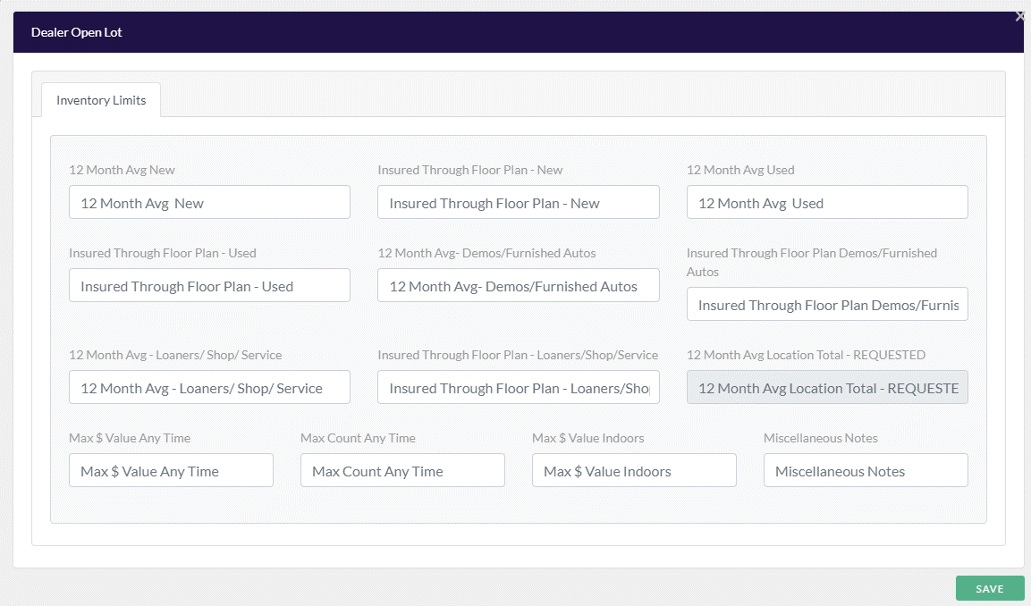 | 12 Month Avg New | Text Box | Question needs to display at the location level. |  |  |  |  | Sheet!SOVH5 (See Dealer Guard Review Document for example mapping requirements) |  | Sheet!Valuation Survey G5
 | Insured Through Floor Plan - New | Text Box | Question needs to display at the location level. |  |  |  |  | Sheet!SOVH5 (See Dealer Guard Review Document for example mapping requirements) |  | Sheet!Valuation Survey H5
 | 12 Month Avg Used | Text Box | Question needs to display at the location level. |  |  |  |  | Sheet!Application I5 (See Dealer Guard Review Document for example mapping requirements) |  | Sheet!Valuation Survey J5
 | Insured Through Floor Plan - Used | Text Box | Question needs to display at the location level. |  |  |  |  | Sheet!Application I5 (See Dealer Guard Review Document for example mapping requirements) |  | Sheet!Valuation Survey K5 |  |  | Flag for Discussion: The Insured through floor plan limits should never be greater than the 12 Month Average limits. If a producer enters an Insured to Floor Plan limit that is greater than the 12 Month Average an error message will trigger.
 | 12 Month Avg /Demos / Furnished Autos | Text Box | Question needs to display at the location level. |  |  |  |  | Sheet!Application J5 (See Dealer Guard Review Document for example mapping requirements) |  | Sheet!Valuation Survey M5 |  |  | Flag for discussion: 1. All the locations and buildings from the property need to map over and allow the user to enter in the following SOV fields. 2. Producer can remove any locations that they don’t need. 3. For each unique location the data would need to a For Example: 12 Month Average Road (Demos/Furnished Auto) -Location 1 Bld 1 = 12 Month Avg Road - Demos/Furnished Autos - $5,000,000 -Location 1 Bld 2 = 12 Month Avg Road - Demos/Furnished Autos - $3,000.000 -Location 1 Bld 3 = 12 Month Avg Road - Demos/Furnished Autos - $1,000,000 Step 1: Sum the total 12 month Avg Road (Demos/furnished Auto) at Location 1 =$9,000,000 Insured Through Floor Plan - Road -Location 1 Bld 1 = Insured Through Floor Plan - Road - $2,000,000 -Location 1 Bld 2 = Insured Through Floor Plan - Road - $1,000,000 -Location 1 Bld 3 = Insured Through Floor Plan - Road - $0 Step 2: Sum the total Insured Through Floor Plan - Road at location 1 = $3,000,000 12 Month Average Road (Loaners/Shop/Service) -Location 1 Bld 1 = 12 Month Avg Road - (Loaners/Shops/Service) - $4,000,000 -Location 1 Bld 2 = 12 Month Avg Road - (Loaners/Shops/Service) - $700,000 -Location 1 Bld 3 = 12 Month Avg Road - (Loaners/Shops/Service) - $200,000 Step 3: Sum the total 12 Month Average Road (Loaners/Shop/Service) at Location 1 = $4,900,000 Insured Through Floor Plan - Road -Location 1 Bld 1 = 12 Month Avg Road - Demos/Furnished Autos - $2,000,000 -Location 1 Bld 2 = 12 Month Avg Road - Demos/Furnished Autos - $500,000 -Location 1 Bld 3 = 12 Month Avg Road - Demos/Furnished Autos - $0 Step 4: Sum the total Insured Through Floor Plan - Road at Location 1 = $2,500,000 Step 5: Add AL16 (12 Month Average Road - Demos/Furnished Autos) - AO16 (Insured Through Floor Plan - Road) + AR16 (12 Month Average Road Loaners/Shop/Service) - AS16 (Insured Through Floor Plan -Road) = $8,400,000
 | Insured Through Floor Plan - Denos/ Furnished Autos | Text Box | Question needs to display at the location level. |  |  |  |  | Sheet!Application J5 (See Dealer Guard Review Document for example mapping requirements) |  | Sheet!Valuation Survey N5
 | 12 Month Avg / Loaners / Shop / Service | Text Box | Question needs to display at the location level. |  |  |  |  | Sheet!Application J5 (See Dealer Guard Review Document for example mapping requirements) |  | Sheet!Valuation Survey P5
 | Insured Through Floor Plan - Loaners / Shop / Service | Text Box | Question needs to display at the location level. |  |  |  |  | Sheet!Application J5 (See Dealer Guard Review Document for example mapping requirements) |  | Sheet!Valuation Survey Q5
 | 12 Month Avg Location Total - REQUESTED | Auto Fill | Question needs to display at the location level. | Formula: This is the sum of the following inventory limits: 12 Month Avg New + Insured Through Floor Plan - New + 12 Month Avg Used + Insured Through Floor Plan Used + 12 Month Average Road (Demos/Furnished Auto) + Insured Through Floor Plan Road + 12 Month Avg Road (Loaners/Shop/Service) + Insured Through Floor Plan Road = 12 Month Avg Location Total REQUESTED |  |  |  | N/A
 | Max $ Value Any Time | Text Box | Question needs to display at the location level. |  |  |  |  | Sheet!SOV L5:L29 Sheet!SOV L33:L57 Sheet!SOV L61:L85 Sheet!SOV L89:L113 (See Dealer Guard Review Document for example mapping requirements) |  |  |  |  | Flag For Discussion: The portal needs to sum the Max $ Value Any Time for all locations. See below example: For Example: Location 1 Bld 1 = Max $ Value Any Time - $30,000,000 Location 1 Bld 2 = Max $ Value Any Time - $1,000,000 Location 1 Bld 3 = Max $ Value Any Time - $0 Step 1: Sum the total Max $ Value Any Time at Location 1 = $31,000,000 Step 2: $31,000,000 would map to the Dealer Guard App Sheet!SOV L5
 | Max Count Any Time | Text Box | Question needs to display at the location level. |  |  |  |  | Sheet!SOV M5:M29 Sheet!SOV M33:M57 Sheet!SOV M61:M85 Sheet!SOV M89:M113 (See Dealer Guard Review Document for example mapping requirements) |  |  |  |  | Flag For Discussion: The portal needs to sum the Max County Any Time for all locations. See below example: For Example: Location 1 Bld 1 = Max Count Any Time - 1,200 Location 1 Bld 2 = Max Count Any Time -500 Location 1 Bld 3 = Max Count Any Time - $0 Step 1: Sum the total Max Count Any Time at Location 1 = 1,700 Step 2: 1,700 would map to the Dealer Guard App Sheet!SOV M5
 | Max $ Value Indoors | Text Box | Question needs to display at the location level. |  |  |  |  | Sheet!SOV N5:N29 Sheet!SOV N33:N57 Sheet!SOV N61:N85 Sheet!SOV N89:N113 (See Dealer Guard Review Document for example mapping requirements) |  |  |  |  | Flag For Discussion: The portal needs to sum the Max $ Value Indoors for all locations. See below example: For Example: Location 1 Bld 1 = Max $ Value Indoors - $80,000 Location 1 Bld 2 = Max $ Value Indoors -$500,000 Location 1 Bld 3 = Max $ Value Indoors - $25,000 Step 1: Sum the total Max $ Value Indoors at Location 1 = $605,000 Step 2: $605,000 would map to the Dealer Guard App Sheet!SOV N5
 | Miscellaneous Notes | Text Box | Question needs to display at the location level.
Dealer Open Lot Details
Premises Lot Protection - identify all applicable protection measures
 | Standard Open Lot % | Text Box | Question needs to display at the location level. |  |  | x | Sheet!L-DPD I10:I15 |  |  |  |  |  | Need to add logic that forces total percentage for Lot Protection to equal 100%
 | Non-Standard Open Lot % | Text Box | Question needs to display at the location level. |  |  | x | Sheet!L-DPD J10:J15 |  |  |  |  |  | Need to add logic that forces total percentage for Lot Protection to equal 100%
 | Building % | Text Box | Question needs to display at the location level. |  |  | x | Sheet!L-DPD K10:K15 |  |  |  |  |  | Need to add logic that forces total percentage for Lot Protection to equal 100%
 | Guard Rail | Checkbox | Question needs to display at the location level. | Yes No |  | x
 | After Hours Lighting | Checkbox | Question needs to display at the location level. | Yes No |  | x | Sheet!UW Q's D34:G34 |  |  | Sheet!Underwriting Survey H54
 | Security Guards | Checkbox | Question needs to display at the location level. | Yes No |  | x | Sheet!UW Q's D34:G34 | Pre-Condition: If Occupancy Type/Building Description = Sales & Service & security guards = Yes then map "X" to: Sheet!Application B36 | Sheet!Garage Keepers Supplementary G16 | Sheet!Underwriting Survey K53
 | Alarm System | Checkbox | Question needs to display at the location level. | Yes No |  | x | Sheet!UW Q's D34:G34
 | Surveill. Cameras not monitored | Checkbox | Question needs to display at the location level. | Yes No |  | x | Sheet!UW Q's D34:G34 Note: If at least 1 of the Surveillance Camera questions are selected map "Yes" to the applicable carrier app. |  | Sheet!Garage Keeper Supplementary F16 Note: If at least 1 of the Surveillance Camera questions are selected map "Yes" to the applicable carrier app. | Sheet!Underwriting Survey I54 Note: If at least 1 of the Surveillance Camera questions are selected map "Yes" to the applicable carrier app.
 | Surveill. Cameras monitored / intruder notification | Checkbox | Question needs to display at the location level. | Yes No |  | x | Sheet!UW Q's D34:G34 Note: If at least 1 of the Surveillance Camera questions are selected map "Yes" to the applicable carrier app. |  | Sheet!Garage Keeper Supplementary F16 Note: If at least 1 of the Surveillance Camera questions are selected map "Yes" to the applicable carrier app. | Sheet!Underwriting Survey I54 Note: If at least 1 of the Surveillance Camera questions are selected map "Yes" to the applicable carrier app.
 | Guard Dogs | Checkbox | Question needs to display at the location level. | Yes No |  | x | Sheet!UW Q's D34:G34
Entrance Protection:
 | Gated Entrance | Text Box | Question needs to display at the location level. |  |  | x
 | Blocked Entrances | Text Box | Question needs to display at the location level. |  |  | x | Sheet!UW Q's D34:G34
 | Post & Chain | Text Box | Question needs to display at the location level. |  |  | x |  |  | Sheet!Garage Keeper Supplementary D16 | Sheet!Underwriting Survey F54
 |  |  | Question needs to display at the location level.
 | Fully Fenced Premises | Text Box | Question needs to display at the location level. |  |  | x | Sheet!UW Q's D34:G34 |  | Sheet!Garage Keeper Supplementary C16 | Sheet!Underwriting Survey D54
 | Other (type in) | Text Box | Question needs to display at the location level. |  |  | x | Sheet!UW Q's D35:G35
 |  |  | Question needs to display at the location level.
 | Distance To: | Label | Question needs to display at the location level. |  |  | x
 | Hydrant - Feet | Text Box | Question needs to display at the location level. |  |  | x |  |  | Sheet!Property N40
 | Fire Station - Miles | Text Box | Question needs to display at the location level. |  |  | x |  |  | Sheet!Property O40
 | Adjacent Exposures - Description | Label | Question needs to display at the location level. |  |  | x
 | Right | Text Box | Question needs to display at the location level. |  |  | x |  |  | Sheet!Property AW40 |  |  |  | DW Need to discuss the above, not sure they are referring to the same.
 | Left | Text Box | Question needs to display at the location level. |  |  | x |  |  | Sheet!Property AX40
 | Front | Text Box | Question needs to display at the location level. |  |  | x |  |  | Sheet!Property AY40
 | Rear | Text Box | Question needs to display at the location level. |  |  | x |  |  | Sheet!Property AZ40
Storage Tank Schedule
Need the ability to add more than 1 tank under each location and the ability to delete a tank if a producer adds one on accident. | Loc # | Drop Down |  | N |  | Optional | Sheet!P-Pollution E24:E25
 | Tank # | N/A |  | N |  | Optional | Sheet!P-Pollution F24:F25
 | Tank Contents | Text Box |  | N |  | Optional | Sheet!P-Pollution G24:G25
 | Other Tank Contents | Text Box |  | N |  | Optional | Sheet!P-Pollution K24:K25
 | Installation Date | Date Range |  | N |  | Optional | Sheet!P-Pollution H24:H25
 | Tank Capacity | Text Box |  | N |  | Optional | Sheet!P-Pollution I24:I25

Garage Liablity and GK
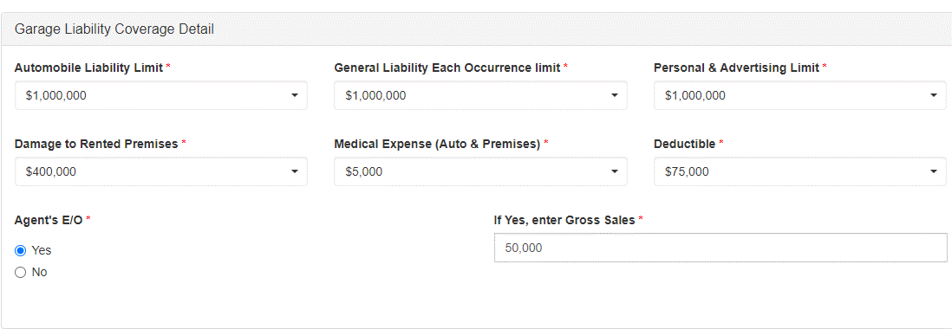
Screenshot | Field Name | Field Type | Conditions | Drop Down/ Checkbox Options | Default | Required? | Harco | Dealer Guard Open Lot | Schinnerer - Franchised Auto Dealer | Schinnerer - DOL Application | Notes:
Garage Liability Coverage Detail
 | Automobile Liability Limit | Drop Down |  | $1,000,000 | $1,000,000 | x | Sheet!J K8 |  | Sheet!Garage Liability O27
 | General Liability Each Occurrence limit | Drop Down |  | $1,000,000 | $1,000,000 | x | Sheet!J L8
 | Personal & Advertising Limit | Drop Down |  | $1,000,000 | $1,000,000 | x
 | Damage to Rented Premises* | Drop Down |  | Please Select $100,000 $200,000 $300,000 $400,000 $500,000 $600,000 $700.000 $800,000 $900,000 $1,000,000 | $100,000 | x | Sheet!E-Prop J20:J25
 | Medical Expense (Auto & Premises) | Drop Down |  | Please Select $1,000 $2,000 $5,000 $10,000 | $1,000 | x | Sheet!J K11 |  | Sheet!Garage Liability M27
 | Deductible: | Drop Down |  | Please Select None $2,500 $5,000 $10,000 $20,000 $25,000 $50,000 $75,000 $100,000 $125,000 |  | x | Sheet!J M7:N7 Pre-Condition1: If the producer selects Yes to Agent E&O map the garage deductible to: Sheet!K N8
 | Agent's E/O: | Checkbox |  | Yes No |  | x | Sheet!K K8
 | If Yes, enter Gross Sales | Text Box | This is automatically calculated based on the Total Location Revnue field location on the Revenue/Gross Sales Breakdown tab. This field will not be editable by the producer. | Disabled field |  | x | Sheet! K M11:N11 |  |  |  | Gross Sales will automatically populate for Agent E/O when gross sales is entered in Umbrella
General Questions:
 | Does dealership have a Buy Here / Pay Here (BH/PH) operation? | Checkbox |  | Yes No |  | x | Sheet!UW-Q's E94-G94
 | % of sales done through the BH/PH operation? | Text Box | Question will only display if the producer answers YES to the question: Does dealership have a Buy Here / Pay Here (BH/PH) operation? If the producer answers NO to have a Buy Here / Pay Here plan this question will map over as NO to the carrier application. |  |  | Conditional | Sheet!UW-Q's E95-G95
 | Dealer reviews documents used in loan process? | Checkbox | Question will only display if the producer answers YES to the question: Does dealership have a Buy Here / Pay Here (BH/PH) operation? If the producer answers NO to have a Buy Here / Pay Here plan this question will map over as NO to the carrier application. | Yes No |  | Conditional | Sheet!UW-Q's E96-G96 Notes: If both rows 14 & 15 are answered YES, indicate YES on the Harco app.
 | Controls are in place to prevent identity theft of customers' personal information? | Checkbox | Question will only display if the producer answers YES to the question: Does dealership have a Buy Here / Pay Here (BH/PH) operation? If the producer answers NO to have a Buy Here / Pay Here plan this question will map over as NO to the carrier application. | Yes No |  | Conditional | Sheet!UW-Q's E96-G96
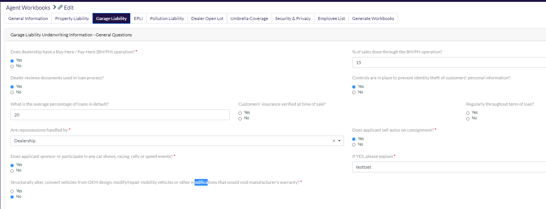
 | What is the average percentage of loans in default? | Text Box | Question will only display if the producer answers YES to the question: Does dealership have a Buy Here / Pay Here (BH/PH) operation? If the producer answers NO to have a Buy Here / Pay Here plan this question will map over as NO to the carrier application. |  |  | Conditional | Sheet!UW-Q's E97-G97
 | Customers' insurance verified at time of sale? | Checkbox | Question will only display if the producer answers YES to the question: Does dealership have a Buy Here / Pay Here (BH/PH) operation? If the producer answers NO to have a Buy Here / Pay Here plan this question will map over as NO to the carrier application. | Yes No |  | Conditional | Sheet!UW-Q's E98-G98 Note: If both rows 18 & 19 are answered YES, indicate YES on the Harco app.
 | Regularly throughout term of loan? | Checkbox | Question will only display if the producer answers YES to the question: Does dealership have a Buy Here / Pay Here (BH/PH) operation? If the producer answers NO to have a Buy Here / Pay Here plan this question will map over as NO to the carrier application. | Yes No |  | Conditional | Sheet!UW-Q's E98-G98
 | Are repossessions handled by: | Checkbox | Question will only display if the producer answers YES to the question: Does dealership have a Buy Here / Pay Here (BH/PH) operation? If the producer answers NO to haveing a Buy Here / Pay Here plan this question will map over as NO to the carrier application. | Dealership Third-Party |  | x | Sheet!UW-Q's E99-G99 Notes: If Third Party is selected, indicate YES on the Harco app.
 | Does applicant sell autos on consignment? | Checkbox |  | Yes No |  | x
 | Does applicant sponsor or participate in any car shows, racing, rally or speed events? | Checkbox |  | Yes No |  | x
 | If YES, please explain: | Text Box |  |  |  | x
 | Structurally alter, convert vehicles from OEM design, modify/repair mobility vehicles or other modifications that would void manufacturer's warranty? | Checkbox |  | Yes No |  | x
Demo/Furnished Auto Policy:
 | Demo / Furnished auto agreement? | Checkbox |  | Yes No |  | x | Sheet!UW-Q's E21-G21
 | Employee deductible participation? | Checkbox | If the question Demo/Furnished Agreement = YES then this question will be enabled. If the question Demo/Furnished Agreement = NO this question will map over as NO on the carrier application. | Yes No |  | x | Sheet!UW-Q's E21-G21 | Sheet!Application B47
 | Driver(s) provides own insurance? | Checkbox | If the question Demo/Furnished Agreement = YES then this question will be enabled. If the question Demo/Furnished Agreement = NO this question will map over as NO on the carrier application. | Yes No |  | x | Sheet!UW-Q's E21-G21 Notes: If rows 48 & 49 are marked yes then the checkbox: They provide their own insurance with applicant listed as an additional insured will be selected.
 | Dealer listed as additional insured on driver's policy? | Checkbox | If the question Demo/Furnished Agreement = YES then this question will be enabled. If the question Demo/Furnished Agreement = NO this question will map over as NO on the carrier application. | Yes No |  | x | Sheet!UW-Q's E21-G21 Notes: If this rows 48 & 49 are marked yes then the checkbox: They provide their own insurance with applicant listed as an additional insured will be selected.
Company Vehicle Use:
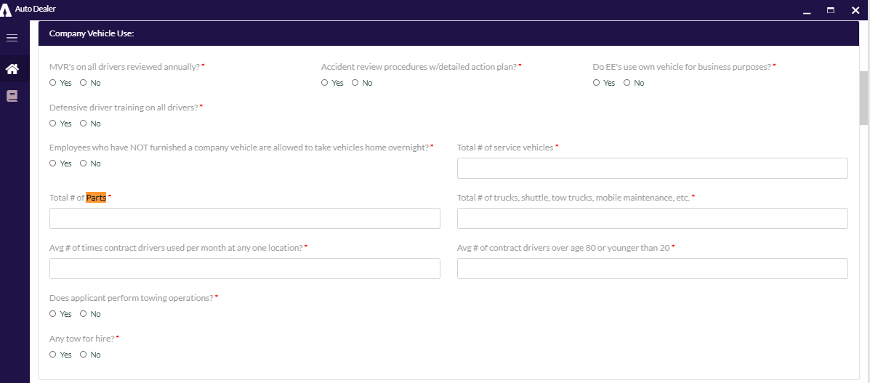
 | MVR's on all drivers reviewed annually? | Checkbox |  | Yes No |  | x | Sheet!UW-Q's E25-G25 |  |  | Sheet!Underwriting Survey D60
 | Accident review procedures w/detailed action plan? | Checkbox |  | Yes No |  | x | Sheet!UW-Q's E30-G30
 | Do EE's use own vehicle for business purposes? | Checkbox |  | Yes No |  | x | Sheet!UW-Q's E24-G24
 | Defensive driver training on all drivers? (If YES, attach defensive driver training documentation with submission) | Checkbox |  | Yes No |  | x | Sheet!UW-Q's E26-G26
 | Employees NOT furnished a company vehicle allowed to take vehicles home overnight? | Checkbox |  | Yes No |  | x | Sheet!UW-Q's E22-G22
 | Total # of service vehicles: | Text Box |  |  |  | x | Sheet!UW-Q's E47-G47
 | Total # of Part Trucks | Text Box |  |  |  | x | Sheet!UW-Q's E47-G47
 | Total #Trucks, shuttle, tow trucks, mobile maintenance, etc. | Text Box |  |  |  | x | Sheet!UW-Q's E43-G43
 | Avg # of times contract drivers used per month at any one location? | Text Box |  |  |  | x | Sheet!UW-Q's E47-G47 |  |  | Sheet!Underwriting Survey D65
 | Avg # of contract drivers over age 80 or younger than 20: | Text Box |  |  |  | x |  |  |  | Sheet!Underwriting Survey D67
 | Does applicant perform towing operations? | Checkbox |  | Yes No |  | x |  |  | Sheet!Garage Supplemental C83
 | If YES, number of tow trucks in fleet: | Text Box |  |  |  | x |  |  | Sheet!Garage Supplemental C84
 | Any tow for hire? | Checkbox |  | Yes No |  | x | Sheet!UW-Q's E111-G111 |  | Sheet!Garage Supplemental C85
 | If YES, average tows for hire per month: | Text Box |  |  |  | x
Service Department:
 | Documented OEM training on all service techs? | Checkbox |  | Yes No |  | x | Sheet!UW-Q's E39-G39
 | Procedures/action plan for comebacks? | Checkbox |  | Yes No |  | x | Sheet!UW-Q's E41-G41
 | All work orders signed by customer? (incl refused work) | Checkbox |  | Yes No |  | x | Sheet!UW-Q's E40-G40
 | Formal safety meetings:( If at least quarterly, please attach copy of minutes from last meeting) | Checkbox |  | Monthly Quarterly None |  | x | Sheet!UW-Q's E36-G36 | Pre Condition: If Formal Safety Meetings = Quarterly or Monthly then map "X" to: Sheet!Application A44 | Sheet!Garage Supplemental C110 Notes: If "None" is selected the system will map "No" to Sheet!Garage Supplemental C110. If "Monthly" is selected the system will select "Monthly Meetings" in Sheet!Garage Supplemental B112. If "Quarterly" is selected the system will map the word "Quarterly" to Sheet!Garage Supplemental C102
 | Does the insured service buses? | Checkbox |  | Yes No |  | x | Sheet!UW-Q's E84-G84 |  | Sheet!Garage Supplemental C88
 | If YES, annual receipts from bus service: | Text Box |  |  |  | x |  |  | Sheet!Garage Supplemental C89
Repossessions/Towing:
 | Does applicant repossess their own vehicles? | Checkbox |  | Yes No |  | x | Sheet!UW-Q's E99-G99 |  | Sheet!Garage Supplemental C61
 | If NO, who performs the repossessions? | Text Box |  |  |  | x |  |  | Sheet!Garage Supplemental C63:I63
 | If YES, describe procedure: | Text Box |  |  |  | x |  |  | Sheet!Garage Supplemental C62:I62
 | Does the insured have a certificate of insurance for repo company? | Checkbox |  | Yes No |  | x | Sheet!UW-Q's E100-G100 |  | Sheet! Garage Supplemental C64
 | If Applicant performs any tow for hire, describe (e.g., AAA, City, County, etc.): | Text Box |  |  |  | x |  |  | Sheet!Garage Supplemental C86:I86
 | Does applicant have any units that will tow multiple vehicles? | Checkbox |  | Yes No |  | x |  |  | Sheet! Garage Supplemental C80
 | If YES, max # of vehicles any 1 unit can haul: | Text Box |  |  |  | x |  |  | Sheet! Garage Supplemental C81
 | Are any filings required? | Checkbox |  | Yes No |  | x
 | If YES, explain: | Text Box |  |  |  | x
Test Drives:
 | Test drives always accompanied by employee? | Checkbox |  | Yes No |  | x | Sheet!UW-Q's E28-G28 | Sheet!Application B33 |  | Sheet!Underwriting Survey J37
 | Overnight test drives allowed? | Checkbox |  | Yes No |  | x | Sheet!UW-Q's E22:G22
 | Test Drive Procedures: | Checkbox |  | Copy of Drivers License Copy of Insurance Card Planned Route Salesperson Always Accompanies |  | x | Sheet!UW-Q's E29-G29 Sheet!UW-Q'sE28:G28 Note: If Copy of Drivers License and Copy of Insurance Card are both selected the system will map "YES" to Sheet!UW-Q E29:G29. If Sales Person Always Accompanies is selected the system will map "YES" to Sheet!UW-Q-E28:G28 | Sheet!Application B34 Note: If Copy of Drivers License is checked the system will map "X" to Sheet!Application B34 | Sheet!Garage Supplemental B5 Sheet!Garage Supplemental C28 Note: If Copy of insurance is selected the system needs to map "Yes" to Sheet!Garage Supplemental C28 | Sheet!Underwriting Survey C37 = Copy of Drivers License Sheet!Underwriting Survey E37 = Copy of Insurance Card Sheet!Underwriting Survey H37 = Planned Route Sheet!Underwriting Survey I37 = Salesperson Always Accompanies
 | Minimum Age | Checkbox |  | Yes No |  | x |  |  | Sheet Garage Supplemental C5 Note: The system will only map the Min Age. Max age is not on the Schinnerer Franchised Auto Dealer Carrier App. | Sheet!Underwriting Survey N37 Note: The system will only map the Min Age. Max age is not on the Schinnerer DOL Carrier App.
 | If YES, what is the Min Age? | Text Box |  |  |  | x
Service Loaner
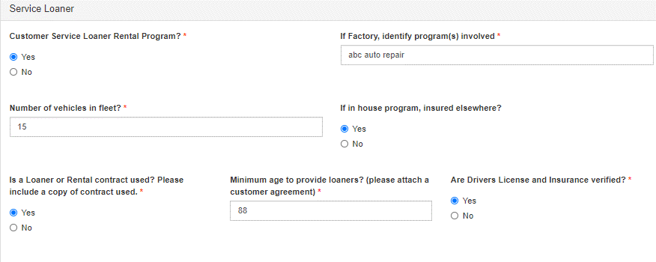
 | Customer Service Loaner Rental Program? | Checkbox |  | Yes No |  | x |  | Sheet!Application B48 | Sheet!Garage Supplemental C24 Sheet! Garage Supplemental C31 | Sheet!Underwriting Survey D69
 | If Factory, identify program(s) involved | Text Box | If the question Customer Service Loaner Rental Program = Yes this question will be enabled. If the question Customer Service Loaner Rental Program = NO this question will map over as NO on the carrier application. |  |  | x |  |  | Sheet! Garage Supplemental C32
 | Number of vehicles in fleet? | Text Box | If the question Customer Service Loaner Rental Program = Yes this question will be enabled. If the question Customer Service Loaner Rental Program = NO this question will map over as NO on the carrier application. |  |  | x |  | Sheet!Application Y24:Z24 |  | Sheet!Underwriting Survey D71
 | If in house program, insured elsewhere? | Checkbox | If the question Customer Service Loaner Rental Program = Yes this question will be enabled. If the question Customer Service Loaner Rental Program = NO this question will map over as NO on the carrier application. | Yes No |  |  |  |  |  | Sheet!Underwriting Survey D70
 | Is a Loaner or Rental contract used? Please include a copy of contract used. | Checkbox | If the question Customer Service Loaner Rental Program = Yes this question will be enabled. If the question Customer Service Loaner Rental Program = NO this question will map over as NO on the carrier application. | Yes No |  | x | Sheet!UW-Q's E27-G27 | Sheet!Application B48 | Sheet! Garage Supplemental C29 | Sheet!Underwriting Survey D75
 | Minimum age to provide loaners? (please attach a customer agreement) | Text Box | If the question Customer Service Loaner Rental Program = Yes this question will be enabled. If the question Customer Service Loaner Rental Program = NO this question will map over as NO on the carrier application. |  |  | x |  |  | Sheet! Garage Supplemental C27
If the question "Are Drives License and Insurance verified?" is asked in both the Service Loaner section (row 80) and the Daily Rental Section (row 87). If the producer answers "Yes" to at least one of these questions we need to map "Yes" to the Carrier Application. | Are Drivers License and Insurance verified? | Checkbox | If the question Customer Service Loaner Rental Program = Yes this question will be enabled. If the question Customer Service Loaner Rental Program = NO this question will map over as NO on the carrier application. | Yes No |  | x | Sheet!UW-Q's E29-G29 |  | Sheet!Garage Supplemental C28
Daily Rental
 | Does Insured rent vehicles other than rentals in conjunction with service operations? | Checkbox | If the producer answers "No" to this question none of the below questions need to display. | Yes No |  | x |  |  | Sheet!Garage Supplemental C21 | Sheet!Underwriting Survey D72
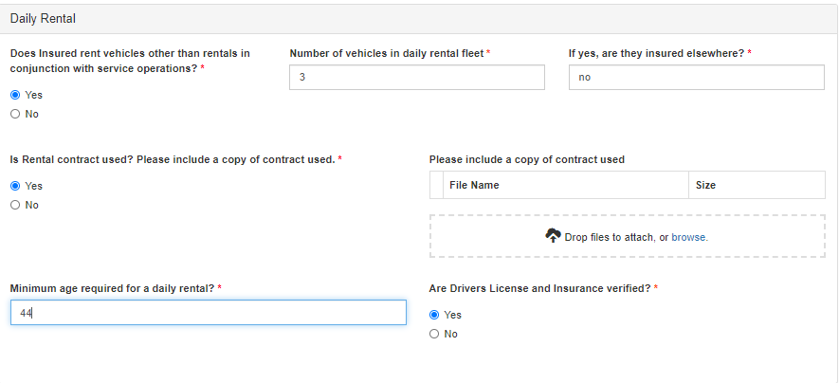 | Number of vehicles in daily rental fleet | Text Box | If the producer answers Yes to the question "Does the insured rent vehicles in conjunction with service operations?"This question will be enabled and required to complete. If the producer answers No to the question "Does the insured rent vehicles in conjunction with service operations? this question will be blank on the carrier app. |  |  | x |  |  |  | Sheet!Underwriting Survey D74
 | If yes, are they insured elsewhere? | Text Box | If the producer answers Yes to the question "Does the insured rent vehicles in conjunction with service operations?"This question will be enabled and required to complete. If the producer answers No to the question "Does the insured rent vehicles in conjunction with service operations? this question will be blank on the carrier app. |  |  | x |  |  | Sheet!Garage Supplemental C22
 | Is Rental contract used? Please include a copy of contract used. | Checkbox |  | Yes No |  | x |  |  |  | Sheet!Underwriting Survey D75
 | Minimum age required for a daily rental? | Text Box |  |  |  | x
If the question "Are Drives License and Insurance verified?" is asked in both the Service Loaner section (row 80) and the Daily Rental Section (row 87). If the producer answers "Yes" to at least one of these questions we need to map "Yes" to the Carrier Application. | Are Drivers License and Insurance verified? | Checkbox |  | Yes No |  | x | Sheet!UW-Q's E29-G29
In-house Leasing
 | Insured do any "in house" leasing? | Checkbox |  | Yes No |  | x | Sheet!N-L&R K22-N22 |  | Sheet! Garage Supplemental C17
 | If YES, minimum liability limit required? | Text Box |  |  |  | x | Sheet!N-L&R G7-H7 |  | Sheet! Garage Supplemental C18
 | Number of vehicles out on Lease? | Text Box |  |  |  | x | Sheet!N-L&R G17 |  | Sheet! Garage Supplemental C19
New Vehicle Sales/Used Vehicles Sales:
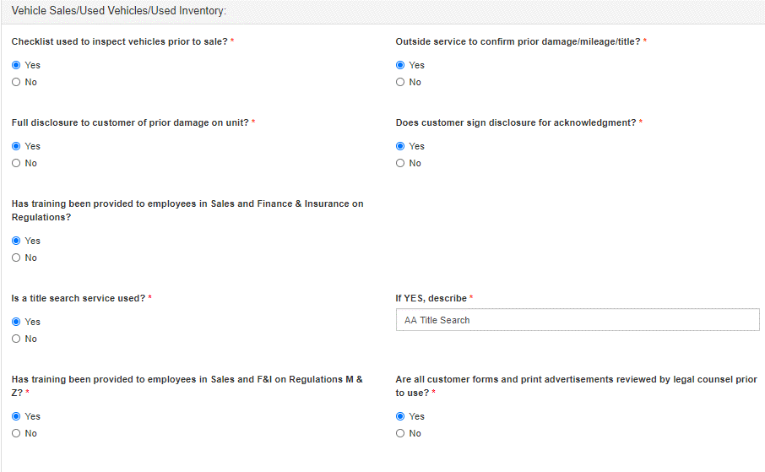
 | Checklist used to inspect vehicles prior to sale? | Checkbox |  | Yes No |  | x | Sheet!UW-Q's E51-G51
 | Outside service to confirm prior damage/mileage/title? | Checkbox |  | Yes No |  | x | Sheet!UW-Q's E52-G52
 | Full disclosure to customer of prior damage on unit? | Checkbox |  | Yes No |  | x | Sheet!UW-Q's E50-G50
 | Does customer sign disclosure for acknowledgment? | Checkbox |  | Yes No |  | x | Sheet!UW-Q's E53-G53
 | Is a title search service used? | Checkbox |  | Yes No |  | x | Sheet!UW-Q's E52-G52 |  | Sheet!Garage Liability C8
 | If YES, describe: | Text Box |  |  |  | x | Sheet!UW-Q's E54-G54 |  | Sheet!Garage Liability C9
 | Has training been provided to employees in Sales and F&I on Regulations M & Z? | Checkbox |  | Yes No |  | x |  |  | Sheet!Garage Liability C11
 | Are all customer forms and print advertisements reviewed by legal counsel prior to use? | Checkbox |  | Yes No |  | x |  |  | Sheet!Garage Liability C13
Sub-Contractors:
 | Does applicant subcontract any work? | Checkbox | Pre-Condition1: If the producer selects "No" to "Does the applicant subcontract any work?" none of the questions in this section will display. | Yes No |  | x | Sheet!UW-Q's E44-G44
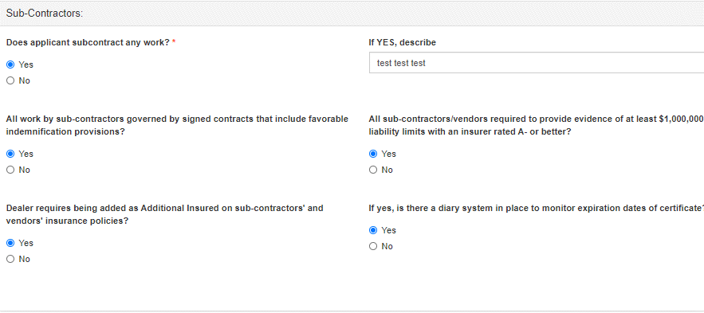
 | If YES, describe: | Text Box | If the producer answers Yes to the question "Does applicant subcontract any work?" this question will display. |  |  | Conditional
 | All work by sub-contractors governed by signed contracts that include favorable indemnification provisions? | Checkbox | If the producer answers Yes to the question "Does applicant subcontract any work?" this question will display. | Yes No |  | Conditional | Sheet!UW-Q's E44-G44
 | All sub-contractors/vendors required to provide evidence of at least $1,000,000 liability limits with an insurer rated A- or better? | Checkbox | If the producer answers Yes to the question "Does applicant subcontract any work?" this question will display. | Yes No |  | Conditional | Sheet!UW-Q's E45-G45
 | Dealer requires being added as Additional Insured on sub-contractors' and vendors' insurance policies? | Checkbox | If the producer answers Yes to the question "All sub-contractors/vendors required to provide evidence of at least $1,000,000 liability limits with an insurer rated A- or better?" this question will display. | Yes No |  | Conditional | Sheet!UW-Q's E46-G46 |  | Sheet!Garage Supplemental C67
If the producer answers Yes to row 106 this question will be enabled. If the producer answers no to question on row 106 the system should map "no" to the question, "Is there a diary system in place". | If yes, is there a diary system in place to monitor expiration dates of certificate? | Checkbox | If the producer answers Yes to the question "Does applicant subcontract any work?" this question will display. | Yes No |  | Conditional |  |  | Sheet!Garage Supplemental C68
Insurance Agents E&O:
 | Does the insured sell any of the following products: | Label |  |  |  | x
 | Credit Life or A&H | Checkbox |  |  |  | x | Sheet!K K8 (See notes) |  | Sheet!Garage Supplemental C35
 | Physical Damage Coverage | Checkbox |  |  |  | x | Sheet!K K8 (See notes) |  | Sheet!Garage Supplemental C36
 | Personal Auto Coverage | Checkbox |  |  |  | x |  |  | Sheet!Garage Supplemental C37
 | # of licensed agents: | Text Box | Will only be enabled if at least one of the product checkboxes (Credit Life or A&H, Physical Damage Coverage, Personal Auto Coverage) are selected. |  |  | x |  |  | Sheet!Garage Supplemental C39
 | List companies represented: | Text Box | Will only be enabled if at least one of the product checkboxes (Credit Life or A&H, Physical Damage Coverage, Personal Auto Coverage) are selected. |  |  | x |  |  | Sheet!Garage Supplemental C41:I41
Dealer Trades:
 | How many dealer trades are performed on a monthly basis? | Text Box |  |  |  | x |  |  | Sheet! Garage Supplemental C114
 | Who delivers vehicle's on dealer trades: | Checkbox |  | Employee Independent Contractor |  | x |  |  | Sheet! Garage Supplemental B116
 | If Independent Contractor, what are the minimum / maximum ages of the contractors: | Text Box |  |  |  | x |  |  | Sheet! Garage Supplemental C118:D118
Garagekeepers Underwriting Information

 | Garagekeepers Coverage? | Checkbox |  | Yes No |  | x
 | Key Control | Checkbox | If Garagekeepers Coverage = YES this question will be enabled and required. | None Key Machine Key Board Lock Boxes Keys in Cars |  | x |  |  | Sheet!Garage Keepers Supplementary C14
 | Lot Protection | Checkbox | If Garagekeepers Coverage = YES this question will be enabled and required. | None Fenced Post & Chains Security Lighting Video Surveillance Night Watchman |  | x |  |  | Sheet!Garage Keepers Supplementary C16
 | Applicant works on or stores customer vehicles that are valued over $100,000? | Checkbox |  | Yes No |  | x | Sheet!UW-Q's E33-G33
Garage Liability Coverage Detail

Garagekeepers Coverage Detail
 | Comp Deductible: | Drop Down | This question/section will only display if the producer answered YES to wanting to have Garagekeepers Coverage. | Please Select $2,500/$10,000 $5,000/$25,000 $10,000/$50,000 | Please Select | x | Sheet!J F34 |  | Sheet!Garage Keepers (printable) E31
 | Collision Deductible: | Drop Down | This question/section will only display if the producer answered YES to wanting to have Garagekeepers Coverage. | Please Select $1,000 $2,500 $5,000 $10,000 $1,000/$5,000 $2,500/$10,000 $5,000/$25,000 $10,000/$25,000 $10,000/$50,000 | Please Select | x | Sheet!J F34 |  | Sheet!Garage Keepers (printable) F31
 | Repair % - Labor: | Drop Down | This question/section will only display if the producer answered YES to wanting to have Garagekeepers Coverage. | Please Select 75% 85% 90% 95% 100% | Please Select | x | Sheet!JM4 Sheet!J I34 |  | Sheet!Garage Keepers (printable) H31 Note: If the producer selects an 85% or 95% option the system will select 90% for both.
 | Repair % - Parts: | Drop Down | This question/section will only display if the producer answered YES to wanting to have Garagekeepers Coverage. | Please Select 75% 90% 100% | Please Select | x | Sheet!JM5 Sheet!J I35 Note: Repair Parts is hard coded to 100% in the Harco App. |  | Sheet!Garage Keepers (printable) G31
 | Garagekeepers Basis: | Checkbox | This question/section will only display if the producer answered YES to wanting to have Garagekeepers Coverage. | Legal Liability Direct Primary |  | x | Sheet!J F33 |  | Sheet!Garage Keepers (printable) K31
 | Customers Goods Deductible (Per Auto): | Drop Down | This question/section will only display if the producer answered YES to wanting to have Garagekeepers Coverage. | Please Select $100/$500 $250/$1,000 $500/$2,500 $1,000/$5,000 $2,500/$10,000 $5,000/$25,000 | Please Select | x | Sheet!J P34
Drive Other Car Coverage Detail
 | Drive Other Car Coverage | Checkbox |  | Yes No |  | x | Sheet!K B17
The names entered here will auto fill to Designated Persons Auto Coverage listed on the Umbrella sheet. | Name of Driver to be covered | Text Box |  |  |  | Conditional | Sheet!K B26:N29 |  | Sheet!Garage Supplemental B122:B131
 | Medical Expense | Auto Fill |  | This will pull whatever was selected for Medical Expense Benefits (Garage Liability) |  | Conditional | Sheet!K D 21 Sheet!K G21
 | UM/UIM | Text Box | The portal will default this to $500,000 but give the producer the ability to override it. | $500,000 | $500,000 | Conditional | Sheet!K G22 |  | Sheet!Garage Supplemental C122:C131
 | Comp Deductible | Drop Down |  | $1,000 | $1,000 | Conditional | Sheet!K B20 Sheet!K G20
 | Coll Deductible | Drop Down |  | $1,000 | $1,000 | Conditional

Pollution Liability
Screenshot | Field Name | Field Type | Conditions | Drop Down/ Checkbox Options | Default | Required? | Harco | Dealer Guard Open Lot | Schinnerer - Franchised Auto Dealer | Schinnerer - DOL Application | RPS Cyber Application | Great American - EPLI | Notes:
Pollution Liability Underwriting Information
 | Who disposes the applicant's hazardous waste? Please provide transport company's name and EPA # - List Below | Label |  |  |  | Optional | Sheet!P-Pollution K50
The producer needs to have the ability to add more than 1 Transporter Name. | Tansporter Name | Text Box | If the producer inputs a name trigger the EPA Number text box. |  |  | Optional | Sheet!P-Pollution L51:L55
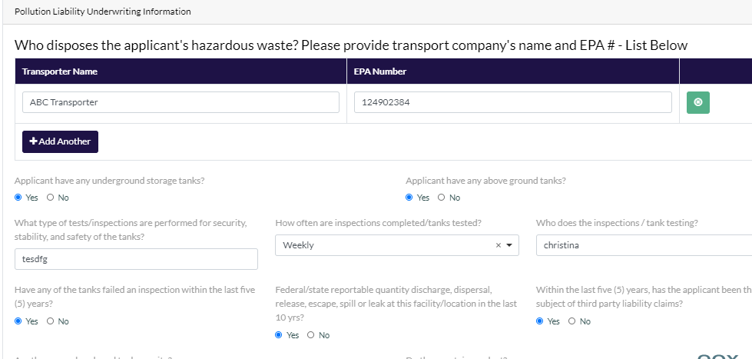
 | EPA Number | Text Box | If there is a Transporter Name this field will be required. The producer needs the ability to add more than one and to delete. |  |  | Required | Sheet!P-Pollution P51:P55
 | Applicant have any underground storage tanks? | Checkbox |  | Yes No |  | Optional | Sheet!P-Pollution L36-P36
 | Applicant have any above ground tanks? | Checkbox |  | Yes No |  | Optional
 | What type of tests/inspections are performed for security, stability, and safety of the tanks? | Text Box |  |  |  | Optional | Sheet!P-Pollution L40-P40
 | How often are inspections completed/tanks tested? | Checkbox |  | Daily Weekly Monthly Quarterly Semi-Annually Annually |  | Optional | Sheet!P-Pollution L41-P41
 | Who does the inspections / tank testing? | Text Box |  |  |  | Optional | Sheet!P-Pollution L42-P42
 | Have any of the tanks failed an inspection within the last five (5) years? | Checkbox |  | Yes No |  | Optional | Sheet!P-Pollution L43-P43
 | Federal/state reportable quantity discharge, dispersal, release, escape, spill or leak at this facility/location in the last 10 yrs? | Checkbox |  | Yes No |  | Optional | Sheet!P-Pollution L44-P44
 | Within the last five (5) years, has the applicant been the subject of third party liability claims? | Checkbox |  | Yes No |  | Optional | Sheet!P-Pollution L45-P45
 | Are there any abandoned tanks on site? | Checkbox |  | Yes No |  | Optional | Sheet!P-Pollution L46-P46
 | Do they contain product? | Checkbox |  | Yes No |  | Optional | Sheet!P-Pollution L47-P47
Pollution Liability Coverage Detail
 | Retroactive Date: | Text Box |  | MM/DD/YYYY |  | Optional
 | Each Occurrence | Auto Fill |  | $1,000,000 Note: This will be hardcoded to $1M | $1,000,000 | Optional | Sheet!P-Pollution I8
 | Deductible | Drop Down |  | Please Select $2,500 $5,000 | $5,000 | Optional
 | Dealer EPA Number | Text Box |  |  |  | Optional

EPLI
Screenshot | Field Name | Field Type | Conditions | Drop Down/ Checkbox Options | Default | Required? | Harco | Dealer Guard Open Lot | Schinnerer - Franchised Auto Dealer | Schinnerer - DOL Application | RPS Cyber Application | Great American - EPLI | Notes:
EPLI Underwriting Information
General Questions:
 | Formal employment application/interview process? | Checkbox |  | Yes No |  | x | Sheet!UW-Q's E58-G58
 | Arbitration agreement signed by all employees? | Checkbox |  | Yes No |  | x | Sheet!UW-Q's E60-G60
 | Performance reviews done annually? | Checkbox |  | Yes No |  | x | Sheet!UW-Q's E65-G65
 | Drug-testing programs: | Checkbox | If "None" is selected none of the other options will be available for selection. | Pre-employment Random Post-Accident None |  | x | Sheet!UW-Q's E61-G61
 | Employee performance issues documented and communicated to employee within 30 days of incident(s)? | Checkbox |  | Yes No |  | x | Sheet!UW-Q's E64-G64
 | Documented anti-discrimination and anti-harassment training to all employees annually? | Checkbox |  | Yes No |  | x | Sheet!UW-Q's E63-G63
 | Number of Involuntary terminations in the last 12 months: | Text Box |  |  |  | x | Sheet!UW-Q's E67-G67
 | During the last 5 years, has there been any charges filed with the EEOC or state agency against any applicant, whether filed by current employees, terminated employees or employees not hired? If YES, for each charge, attach a copy of the charges, the applicant's response and the dismissal or status | Checkbox |  | Yes No |  | x | Sheet!UW-Q's E66-G66
 | Does the Company make use of any independent contractors other than contract drivers? | Checkbox |  | Yes No |  | x |  |  |  |  |  | Page 1 Question # 2
 | Total salary expense for the most recent year-end: | Text Box |  |  |  | x |  |  |  |  |  | Page 1 Question # 3
 | Most recent annual turnover rate: | Text Box |  |  |  | x |  |  |  |  |  | Page 1 Question # 4
 | Historical average turnover rate: | Text Box |  |  |  | x |  |  |  |  |  | Page 1 Question # 4
 | List the three states with the largest number of employees: State 1:____________ Number of Employees:_________ State 2:____________ Number of Employees:_________ State 3:____________ Number of Employees:_________ | Text Box |  |  |  | Only State 1 will be required. State 2 & 3 wil lbe optional |  |  |  |  |  | Page 1 Question # 5
 | Provide the number of employees and officers terminated by the Company in the past two years: Most recent year: Number of employees:_____ Number of Officers:_____ Year Prior: Number of employees:____Number of Officers:_____ | Text Box |  |  |  | x |  |  |  |  |  | Page 1 Question # 6
 | Has the Company completed within the last 12 months, or is the Company considering within the next 12 months, any layoffs or early retirement programs including those resulting from company reorgnizations or facility closings? If "Yes" , provide details in an attachment to this Proposal Form. | Checkbox |  | Yes No |  | x |  |  |  |  |  | Page 1 Question # 7
 | Does the Company have outplacement programs for terminated employees? | Checkbox |  | Yes No |  | x |  |  |  |  |  | Page 1 Question # 8
 | Are there any planned transactions or events that would increase the number of employees stated above? If "Yes", provide the details in an attachment to this Proposal Form. | Checkbox |  | Yes No |  | x |  |  |  |  |  | Page 1 Question # 9
 | Does the Company require the submission of an employment application for all applicants? | Checkbox |  | Yes No |  | x |  |  |  |  |  | Page 1 Question # 10
 | Does the Company use tests, including but not limited to drug, alcohol, and psychological tests, for screening applicants or for continued employment? If "Yes", please attach the Company's policy or provide details. | Checkbox |  | Yes No |  | x |  |  |  |  |  | Page 2 Question # 11
 | Does the Company have a Human Resources Department? If "No", describe how human resource functions are administered in an attachment to this Proposal Form. | Checkbox |  | Yes No |  | x |  |  |  |  |  | Page 2 Question # 12
 | Does the Company have a human resources manual? | Checkbox |  | Yes No |  | x |  |  |  |  |  | Page 2 Question # 13
 | If "Yes", does this manual contain policies and procedures addressing the following areas: If "No" to any of the below, please provide details in an attachment to this Proposal Form. | Label |  |  |  | x
 | Compliance with the Americans with Disabilities Act | Checkbox | This question will be disabled if the producer answeres NO to "Does the company have a human resources manual?" | Yes No |  | x |  |  |  |  |  | Page 2 Question # 13
 | Compliance with Title VII of the Civil Rights Act of 1964 and the 1992 Civil Rights Act; | Checkbox | This question will be disabled if the producer answeres NO to "Does the company have a human resources manual?" | Yes No |  | x |  |  |  |  |  | Page 2 Question # 13
 | Compliance with the Family Medical Leave Act; | Checkbox | This question will be disabled if the producer answeres NO to "Does the company have a human resources manual?" | Yes No |  | x |  |  |  |  |  | Page 2 Question # 13
 | Prohibited discriminatory practices in hiring, promotion and compensation; | Checkbox | This question will be disabled if the producer answeres NO to "Does the company have a human resources manual?" | Yes No |  | x |  |  |  |  |  | Page 2 Question # 13
 | Employee performance evaluations; | Checkbox | This question will be disabled if the producer answeres NO to "Does the company have a human resources manual?" | Yes No |  | x |  |  |  |  |  | Page 2 Question # 13
 | Employee disciplinary actions and discharge; | Checkbox | This question will be disabled if the producer answeres NO to "Does the company have a human resources manual?" | Yes No |  | x |  |  |  |  |  | Page 2 Question # 13
 | Sexual Harassment and the work environment; | Checkbox | This question will be disabled if the producer answeres NO to "Does the company have a human resources manual?" | Yes No |  | x |  |  |  |  |  | Page 2 Question # 13
 | Employee grievance reporting and resolution processes. | Checkbox | This question will be disabled if the producer answeres NO to "Does the company have a human resources manual?" | Yes No |  | x |  |  |  |  |  | Page 2 Question # 13
 | If "No" to any of the above, please provide details in an attachment to this Proposal Form. | Label | This question will be disabled if the producer answeres NO to "Does the company have a human resources manual?" |  |  | x
 | Do all Managerial and supervisory personnel: | Label | This question will be disabled if the producer answeres NO to "Does the company have a human resources manual?" |  |  | x
 | Have a copy of the human resource manual? | Checkbox | This question will be disabled if the producer answeres NO to "Does the company have a human resources manual?" | Yes No |  | x |  |  |  |  |  | Page 2 Question # 14
 | Receive training in the implementation of these policies and procedures? | Checkbox | This question will be disabled if the producer answeres NO to "Does the company have a human resources manual?" | Yes No |  | x |  |  |  |  |  | Page 2 Question # 14
 | If "No" to any of the above, please provide details in an attachment to this Proposal Form. | Label |  |  |  | x
 | Are all employees provided with and required to acknowledge receipt of a handbook? If "No", explain how human resource policies and procedures are communicated to employees in an attachment to this Proposal Form. | Checkbox |  | Yes No |  | x |  |  |  |  |  | Page 2 Question # 15
 | Have there been during the last five years, or are there now pending, any employment related civil, criminal, administrative or arbitration proceedings (including any proceeding initiated before the Equal Employment Opportunity Commission) brought against: | Label |  |  |  | x
 | (a) the Company or its Subsidiaries? | Checkbox |  | Yes No |  | x |  |  |  |  |  | Page 2 Question # 16
 | (b) any person proposed for this insurance in their capacity as either Director, Officer, or employee of the Company or its Subsidiaries? | Checkbox |  | Yes No |  | x |  |  |  |  |  | Page 2 Question # 16
 | If "Yes" to either of the above, in an attachment to this Proposal Form, please provide details including the nature of the allegations, the date the proceeding was initiated, the current status and loss (including defense costs) incurred. | Label |  |  |  | x
 | Has there been during the last five years, or are there now pending, criminal, administrative or arbitration proceedings by any customer, client or other third party against the Company, its subsidiaries or any person proposed for this insurance alleging discrimination, harassment or violations of civil rights based upon discrimination or harassment? If "Yes", provide details in an attachment to this Proposal Form. | Checkbox |  | Yes No |  | x |  |  |  |  |  | Page 2 Question # 17
 | Is the undersigned or any Director of Officer proposed for this insurance aware of any fact, circumstance or situation involving the Company or its Subsidiaries which he or she has reason to believe might result in any future Employee Practices Claim under the policy to which the Proposal Form will be attached? If "yes", please provide details in an attachment to this Proposal Form. | Checkbox |  | Yes No |  | x |  |  |  |  |  | Page 2 Question # 18
 | Does the Applicant currently have insurance coverage for EPLI Coverage? | Checkbox |  | Yes No |  | x
 | Current or prior Employment Practices Liability Insurance (stand-alone or incorporated into some other coverage): Insurer_________ Limit________ Retention________Premium_____Policy-Period______ | Text Box | If the producer answeres YES to: Does the Applicant currently have insurance coverage for Privacy, Network Security and Media Liability? This question will be enabled. |  |  | x |  |  |  |  |  | Page 2 Question # 19
 | Has any claim been made or has any notice been given to any insurer? | Checkbox | If the producer answeres YES to: Does the Applicant currently have insurance coverage for Privacy, Network Security and Media Liability? This question will be enabled. | Not Applicable Yes No |  | x |  |  |  |  |  | Page 2 Question # 19
 | Has any insurer cancelled or non-renewed the above coverage? | Checkbox | If the producer answeres YES to: Does the Applicant currently have insurance coverage for Privacy, Network Security and Media Liability? This question will be enabled. | Not Applicable Yes No |  | x |  |  |  |  |  | Page 2 Question # 19
 | If "yes", please provide details in an attachment to this Proposal Form. | Label | If the producer answeres YES to the question: Has any insurer cancelled or non-renewed the above coverage? This question will be enabled and required. |  |  | x
 | Does the insured anticipate a significant downturn in business performance due to the COVID lockdown? | Checkbox |  | Yes No |  | x
 | Greater than X%? | Drop Down | This question will only display if the producer answers Yes to "Does the insured anticipate a significant downturn in business performance due to the COVID lockdown? " | Please Select 10%-25% 25%-50% 50%-75% >75% |  | Conditional
 | Do they have adequete financial resources to work through the next 6-9 months? | Checkbox | This question will only display if the producer answers Yes to "Does the insured anticipate a significant downturn in business performance due to the COVID lockdown? " | Yes No |  | Conditional
 | Does the insured have plans to seek financial support under the US Govt stimulus program? | Checkbox |  | Yes No |  | x
 | Have/has the insured any plans to lay off employees as a result of the lockdown? | Checkbox |  | Yes No |  | x
 | Has legal advice been taken concerning this? | Checkbox | This question will only display if the producer answers Yes to "Have/has the insured any plans to lay off employees as a result of the lockdown?" | Yes No |  | Conditional
 | Has there been any negative feedback from the affected staff? | Checkbox | This question will only display if the producer answers Yes to "Have/has the insured any plans to lay off employees as a result of the lockdown?" | Yes No |  | Conditional
 | Is the insured following and enforcing all government recommended social distancing measures? | Checkbox |  | Yes No |  | x
EPLI Coverage Detail
Pre-Condition1: If the producer selects No to EPLI Coverage the remaining EPLI question rows 52-54 do not need to display. | EPLI Coverage: | Checkbox |  | Yes No |  | x | Sheet!K B8 Notes: IF EPLI Coverage is selected the Harco Workbook will default to the options listed in the document titled: Harco Deep Dive Review on Sheet!K B8:I11
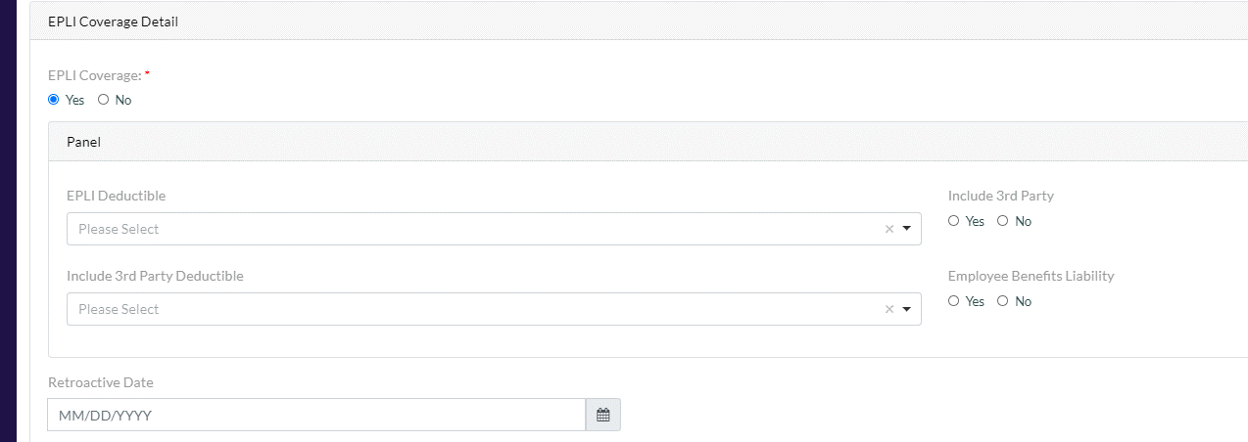
 | EPLI Deductible: | Drop Down |  | Please Select 25K 50K 75K 100K 125K | Please Select | Conditional | Notes: IF EPLI Coverage is selected the Harco Workbook will default to the options listed in the document titled: Harco Deep Dive Review on Sheet!K B8:I11
 | Include 3rd Party: | Checkbox |  | Yes No |  | Conditional | Sheet!K B9 Note: This will only map to the Harco Workbook if the state is not in California.
 | Include 3rd Party Deductible: | Drop Down |  | Please Select 10K 15K 20K 25K | Please Select | Conditional | Sheet!K I9 Note: This will only map to the Harco Workbook if the state is not in California.
 | Employee Benefits Liability: | Checkbox |  | Yes No |  | Conditional
 | Retroactive Date: | Text Box |  | MM/DD/YYYY

General Liability
Screenshot | Field Name | Field Type | Drop Down/ Checkbox Options | Default | Required? | Harco | Dealer Guard Open Lot | Schinnerer - Franchised Auto Dealer | Schinnerer - DOL Application | Notes:
General Liability Coverage Detail
Note: The GL questions will only display if the Occupancy Type selected is "Vacant Land" or "Bldg Leased to Others" | Limit | Auto Fill | This will automatically populat the limit selected for Garage Liability located on the Garage Liability Sheet row 107. | $1,000,000 | x
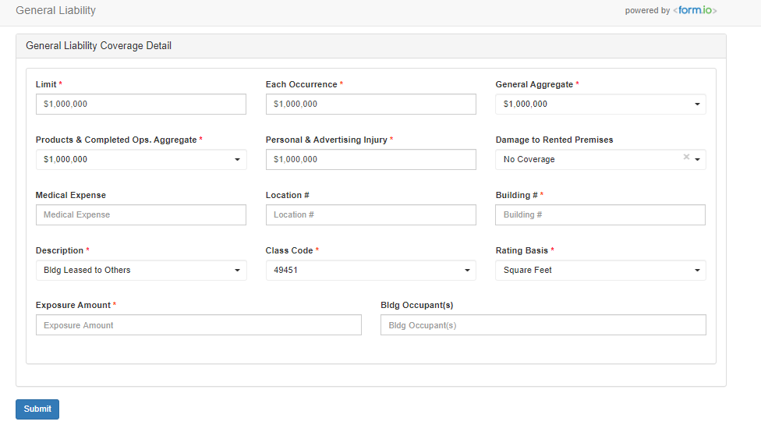
 | Each Occurrence | Auto Fill | This will automatically populat the limit selected for Garage Liability located on the Garage Liability Sheet row 108. | $1,000,000 | x
 | General Aggregate | Drop Down | $1,000,000 | $1,000,000 | x
 | Products & Completed Ops. Aggregate | Drop Down | $1,000,000 | $1,000,000 | x
 | Personal & Advertising Injury | Auto Fill | This will automatically populate the limit selected for Garage Liability located on the Garage Liability Sheet row 109. | $1,000,000 | x
 | Damage to Rented Premises | Drop Down | No Coverage | No Coverage
 | Medical Expense |  | This will automatically populate the limit selected for Garage Liability located on the Garage Liability Sheet row 111.
 | Location # | Text Box |  |  |  | Sheet!C-Loc&AIs G11:G16 |  | Sheet!Property A40 Sheet!Garage Liability A27 | Sheet!Locations B69
 | Building # | Text Box |  |  | x | Sheet!C-Loc&AIs H11:H16 |  | Sheet!Property B40
 | Description | Drop Down | Vacant Land (For - Profit) Bldg Leased to Others | This will default to Occupancy Type that was selected for that location. Since GL is only applicable for Vacant Land or Bldg Leased to Others, the system will default to one of those. | x | Sheet!M-GL F23
 | Class Code | Auto Fill | 61212 49451 | If the Occupancy Type is "Vacant Land" the Class Code selected will be 49451. If the Occupancy Type is "Bldg Leased to Othrs" the Class Code selected will be 61212. | x
 | Rating Basis | Drop Down | Square Feet Acres | If the Occupancy Type is "Vacant Land" the Exposure Basis will default to Acre. If the Occupancy Type is "Bldg Leased to Others" the Exposure Basis will default to "Square Feet". | x
 | Exposure Amount | Text Box |  |  | x | Sheet!M-GL Q23
This field only displays if the Occupancy Type is "Bldg Leased to Others" | Bldg Occupant(s) | Text Box

Umbrella
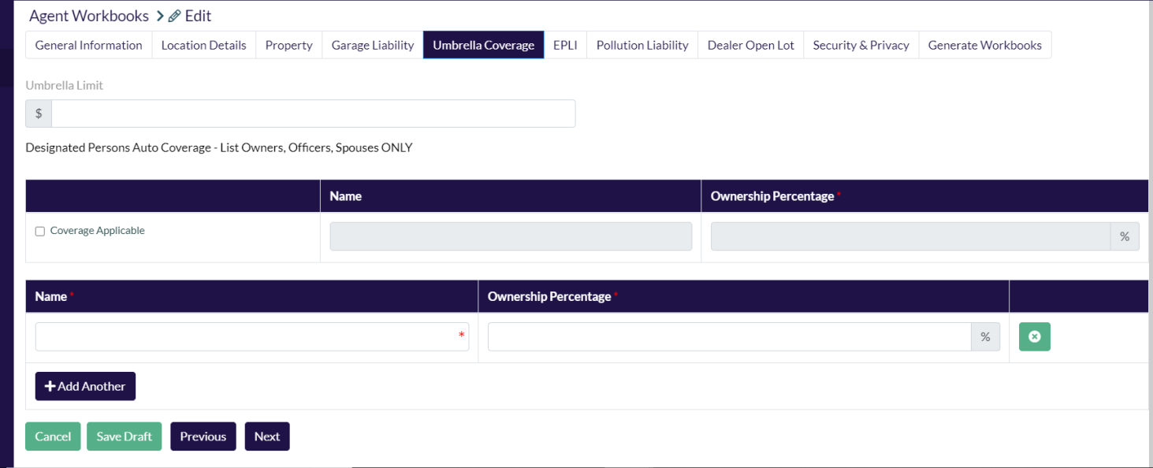
Screenshot | Field Name | Field Type | Default | Drop Down/ Checkbox Options | Required? | Harco | Schinnerer - Franchised Auto Dealer | Schinnerer - DOL Application | Notes:
Umbrella Coverage Detail
Note: These names will pull over from Drive Other Car Coverage that is listed on the Garage Liability sheet row 153 | Umbrella Limit | Text Box |  |  |  | Sheet!Q-Umb C6:D6 | Sheet!Commercial Umbrella F7
 | Designated Persons Auto Coverage - Below list Owners, Officers, Spouses only one name per line | Label |  |  |  | Sheet!K C40:O45 Sheet!K C26LO29 Sheet!Q-Umb B21:B25
 | Name | Text Box |  |  | x | Sheet!Q-Umb B21:D23
 | Ownership Percentage | Text Box |  |  | x | Sheet!Q-Umb I21:I23
 | Add Another | Button

Employee List
Screenshot | Field Name | Field Type | Required? | Harco | Dealer Guard | Schinnerer - Franchised Auto Dealer | Schinnerer - DOL Application | GAIC - EPLI | RPS Cyber | Notes/Questions
Employee Classification
Employee List information needs to populate for each location/building on the quote with the exception of any building that has one of the following Occupancy Types: ﻿-Bldg Leased to Others -Vacant Land -Auto Storage -Vacant Building All other buildings and occupancy types should map over to the Employee List section.﻿ | Location # |  |  |  |  |  |  |  |  | Marketing will be the only ones that have the ability to changes anything on this screen. Producers will have the ability to view it.
 | Building #
 | Address
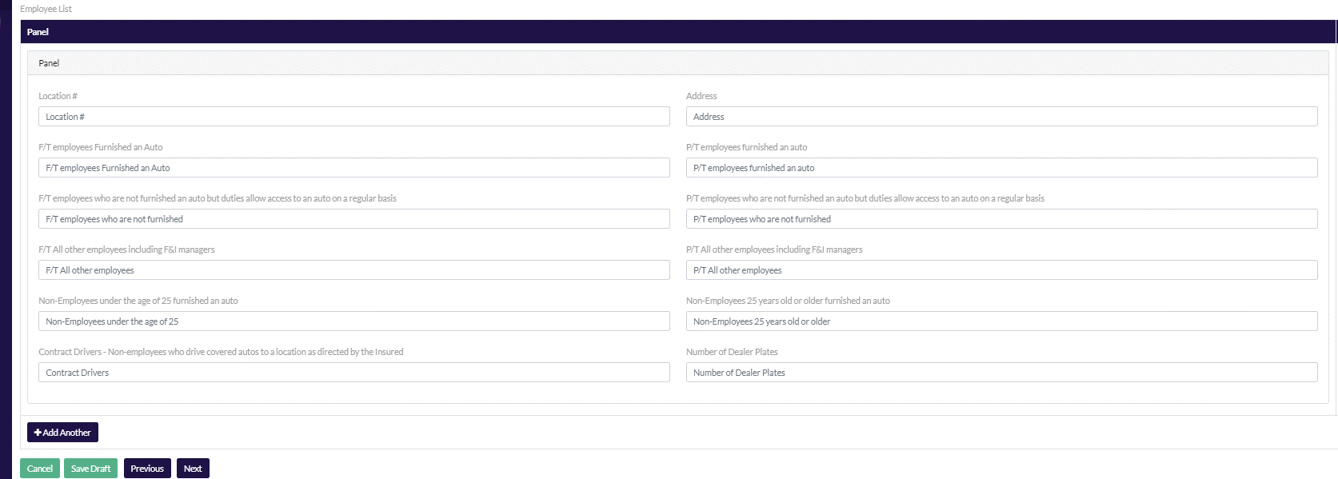 | F/T employees Furnished an Auto | Text Box |  | Cell B6 (F/T Employees Furnished an Auto) + Cell B8 (F/T Employees who are not furnished an auto but duties allow access to an auto on a regular basis) = Sheet!JF23 Notes: Buildings should not be separately listed out. The Harco workbook will sum the total number of employees at each location. | Sheet!Application O46 Note: This will sum cell B5 (F/T Employees furnished an Auto) + cell B6 (P/T Employees furnished with an Auto) to Sheet!Application O46 For Example: If a producer enters 40 F/T Employees furnished with an auto and 20 P/T Employees furnished with an auto the system will map 60 to Sheet!Application O46 | Sheet!Garage Liability C27 | Sheet!Underwriting Survey D63 Notes: B5(F/T Employees Furnished an Auto) + B6(P/T Employees Furnished an Auto) +B11( Non-Employees under the age of 25 furnished an auto) + B12(Non-Employees 25 years old or older furnished an auto) = Sheet!Underwriting Survey D63 | Page 1 - Question 1 (a) The system needs to sum Full Time Employees Furnished with an Auto (B5) + F/T Employees who are not furnished with an auto (B7) + F/T All other employees including F&I managers (B9) This sum will map to Page 1 - Question 1 (a) | RPS Cyber asks for the total number of employees on Page 1 - Section 1 # of Employees is the following formula: Sum F/T Wmployees Furnished an Auto (B5) + P/T Employees Furnished an Auto (B6) + F/T Employees Not Furnished an Auto (B7) + P/T Employees Not Furnished an Auto (B8) + F/T All other employees including F&I managers (B9) + P/T All other employees including F&I managers (B10) = Number of Employee Page 1 - Section 1
 | P/T employees furnished an auto | Text Box |  | Cell B6 (P/T employees furnished an auto) + B8 (P/T employees who are not furnished an auto but dities allow access to an auto on a regular basis) + B13 (Contract Drivers - Non-Employees who drive covered autos to a location as directed by the insured) = Sheet!J G21 Notes: Buildings should not be separately listed out. The Harco workbook will sum the total number of employees at each location. | Sheet!Application O46 Note: This will sum cell B5 (F/T Employees furnished an Auto) + cell B6 (P/T Employees furnished with an Auto) to Sheet!Application O46 For Example: If a producer enters 40 F/T Employees furnished with an auto and 20 P/T Employees furnished with an auto the system will map 60 to Sheet!Application O46 | Sheet!Garage Liability D27 | Sheet!Underwriting Survey D63 Notes: B5(F/T Employees Furnished an Auto) + B6(P/T Employees Furnished an Auto) +B11( Non-Employees under the age of 25 furnished an auto) + B12(Non-Employees 25 years old or older furnished an auto) = Sheet!Underwriting Survey D63 | Page 1 - Question 1 (b) The system needs to sum P/T Employees furnished with an auto (B6) + P/T Employees Not Furnished with an Auto (B8) + All other employees including F&I managers (B10) This sum will map to Page 1 - Question 1 (b) | RPS Cyber asks for the total number of employees on Page 1 - Section 1 # of Employees is the following formula: Sum F/T Employees Furnished an Auto (B5) + P/T Employees Furnished an Auto (B6) + F/T Employees Not Furnished an Auto (B7) + P/T Employees Not Furnished an Auto (B8) + F/T All other employees including F&I managers (B9) + P/T All other employees including F&I managers (B10_ = Number of Employee Page 1 - Section 1
 | F/T employees who are not furnished an auto but duties allow access to an auto on a regular basis | Text Box |  | Cell B5 (F/T Employees Furnished an Auto) + Cell B7 (F/T Employees who are not furnished an auto but duties allow access to an auto on a regular basis) = Sheet!JF23 Notes: Buildings should not be separately listed out. The Harco workbook will sum the total number of employees at each location. |  | Sheet!Garage Liability E27 |  | Page 1 - Question 1 (a) The system needs to sum Full Time Employees Furnished with an Auto (B5) + F/T Employees who are not furnished with an auto (B7) + F/T All other employees including F&I managers (B9) This sum will map to Page 1 - Question 1 (a) | RPS Cyber asks for the total number of employees on Page 1 - Section 1 # of Employees is the following formula: Sum F/T Employees Furnished an Auto (B5) + P/T Employees Furnished an Auto (B6) + F/T Employees Not Furnished an Auto (B7) + P/T Employees Not Furnished an Auto (B8) + F/T All other employees including F&I managers (B9) + P/T All other employees including F&I managers (B10_ = Number of Employee Page 1 - Section 1
 | P/T employees who are not furnished an auto but duties allow access to an auto on a regular basis | Text Box |  | Cell B6 (P/T employees furnished an auto) + B8 (P/T employees who are not furnished an auto but duties allow access to an auto on a regular basis) + B13 (Contract Drivers - Non-Employees who drive covered autos to a location as directed by the insured) = Sheet!J G21 Notes: Buildings should not be separately listed out. The Harco workbook will sum the total number of employees at each location. |  | Sheet!Garage Liability F27 |  | Page 1 - Question 1 (b) The system needs to sum P/T Employees furnished with an auto (B6) + P/T Employees Not Furnished with an Auto (B8) + All other employees including F&I managers (B10) This sum will map to Page 1 - Question 1 (b) | RPS Cyber asks for the total number of employees on Page 1 - Section 1 # of Employees is the following formula: Sum F/T Employees Furnished an Auto (B5) + P/T Employees Furnished an Auto (B6) + F/T Employees Not Furnished an Auto (B7) + P/T Employees Not Furnished an Auto (B8) + F/T All other employees including F&I managers (B9) + P/T All other employees including F&I managers (B10_ = Number of Employee Page 1 - Section 1
 | F/T All other employees including F&I managers | Text Box |  | Sheet!J H21 Notes: Buildings should not be separately listed out. The Harco workbook will sum the total number of employees at each location. |  | Sheet!Garage Liability G27 |  | Page 1 - Question 1 (a) The system needs to sum Full Time Employees Furnished with an Auto (B5) + F/T Employees who are not furnished with an auto (B7) + F/T All other employees including F&I managers (B9) This sum will map to Page 1 - Question 1 (a) | RPS Cyber asks for the total number of employees on Page 1 - Section 1 # of Employees is the following formula: Sum F/T Employees Furnished an Auto (B5) + P/T Employees Furnished an Auto (B6) + F/T Employees Not Furnished an Auto (B7) + P/T Employees Not Furnished an Auto (B8) + F/T All other employees including F&I managers (B9) + P/T All other employees including F&I managers (B10_ = Number of Employee Page 1 - Section 1
 | P/T All other employees including F&I managers | Text Box |  | Sheet!J I21 Notes: Buildings should not be separately listed out. The Harco workbook will sum the total number of employees at each location. |  | Sheet!Garage Liability H27 |  | Page 1 - Question 1 (b) The system needs to sum P/T Employees furnished with an auto (B6) + P/T Employees Not Furnished with an Auto (B8) + All other employees including F&I managers (B10) This sum will map to Page 1 - Question 1 (b) | RPS Cyber asks for the total number of employees on Page 1 - Section 1 # of Employees is the following formula: Sum F/T Employees Furnished an Auto (B5) + P/T Employees Furnished an Auto (B6) + F/T Employees Not Furnished an Auto (B7) + P/T Employees Not Furnished an Auto (B8) + F/T All other employees including F&I managers (B9) + P/T All other employees including F&I managers (B10_ = Number of Employee Page 1 - Section 1
 | Non-Employees under the age of 25 furnished an auto | Text Box |  | Sheet!J J21 Notes: Buildings should not be separately listed out. The Harco workbook will sum the total number of employees at each location. | Sheet!Application T46 Note: This will sum cell B11 (Non Employees under the age of 25 furnished an auto) + cell B12 (Non Employees older than 25 furnished an auto) to Sheet!Application T46 | Sheet!Garage Liability I27 | 1.Sheet!Underwriting Survey D63 Notes: B5(F/T Employees Furnished an Auto) + B6(P/T Employees Furnished an Auto) +B11( Non-Employees under the age of 25 furnished an auto) + B12(Non-Employees 25 years old or older furnished an auto) = Sheet!Underwriting Survey D63 2. Sheet!Underwriting Survey D64 Sum B11 (non-employees under the age of 25 furnished with an auto) + B12 (non-employees 25 years or older furnished an auto) = Sheet!Underwriting SurveyD64
 | Non-Employees 25 years old or older furnished an auto | Text Box |  | Sheet!J K21 Notes: Buildings should not be separately listed out. The Harco workbook will sum the total number of employees at each location. | Sheet!Application T46 Note: This will sum cell B11 (Non Employees under the age of 25 furnished an auto) + cell B12 (Non Employees older than 25 furnished an auto) to Sheet!Application T46 | Sheet!Garage Liability J27 | 1.Sheet!Underwriting Survey D63 Notes: B5(F/T Employees Furnished an Auto) + B6(P/T Employees Furnished an Auto) +B11( Non-Employees under the age of 25 furnished an auto) + B12(Non-Employees 25 years old or older furnished an auto) = Sheet!Underwriting Survey D63 2. Sheet!Underwriting Survey D64 Sum B11 (non-employees under the age of 25 furnished with an auto) + B12 (non-employees 25 years or older furnished an auto) = Sheet!Underwriting SurveyD64
 | Contract Drivers - Non-employees who drive covered autos to a location as directed by the Insured | Text Box |  | Cell B6 (P/T employees furnished an auto) + B8 (P/T employees who are not furnished an auto but duties allow access to an auto on a regular basis) + B13 (Contract Drivers - Non-Employees who drive covered autos to a location as directed by the insured) = Sheet!J G21 Notes: Buildings should not be separately listed out. The Harco workbook will sum the total number of employees at each location. |  | Sheet!Garage Liability K27 |  | Page 1 - Question 1 (c )

